Product Test
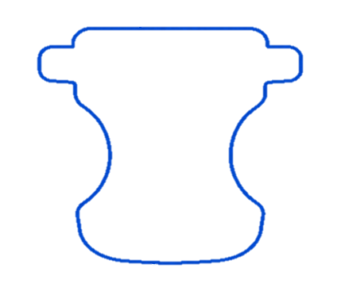
CI-06 COCO V6 3rd round trial |  |  | 测试均在中间加bonding
 |  |  | 收样前需要确认：Pad重量，宽度，channel是否居中
 | Code |  | Code 1 | Code 2 | Control - 1 | Control - 2 | Code 3 | Code 4 | Code 5 | Code 6 | Code 7 | Code 8 | Code 9 | Code 10 | Code 11 | Code 12 | Code 13 | Code 14 | Code 15 | Code 16 | Code 17
 | Code Design: |  |  |  |  |  | Base On Control -2，搭配面层1 | Base On Control -2，搭配面层2 |  |  |  |  |  |  |  |  |  |  |  | 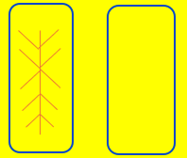 | 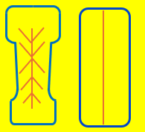
 | LSS add on 7.75g
 | PSS add on 7.75g
 | Pad Length 382mm

 | LSS |  | Control-NR 511 | Control-NR 511 | Control-NR 511 | Control-NR 511 |  |  | Control-NR 511 | Control-NR 511 | Control-NR 511 | Control-NR 511 | Code x | 950 | Control-NR 511 | Control-NR 511 | Control-NR 511 | Control-NR 511 | Control-NR 511 | Control-NR 511 | Control-NR 511
 | PSS |  | Control-NR 511 | Control-NR 511 | Control-NR 511 | Control-NR 511 |  |  | 100% 610 | 100% 950 | 50% 610+ 50% 511 | 50% 610+ 50% 950 | Control-NR 511 | Control-NR 511 | Control-NR 511 | Control-NR 511 | Control-NR 511 | Control-NR 511 | Control-NR 511 | Control-NR 511 | Control-NR 511
 | LSN |  | Control-38g | Control-38g | Control-38g | Control-38g |  |  | Control-38g | Control-38g | Control-38g | Control-38g | Control-38g | Control-38g | UNIKORN - 200mm | Wangjin | Control-38g | Control-38g | Control-38g | Control-38g | Control-38g
 | PSN |  | Control-26g | Control-26g | Control-26g | Control-26g |  |  | Control-26g | Control-26g | Control-26g | Control-26g | Control-26g | Control-26g | Control-26g | Control-26g | UNIKORN -155mm | Control-26g | Control-26g | Control-26g | Control-26g
 | REL |  | Control-40g | Control-40g | Control-40g | Control-40g |  |  | Control-40g | Control-40g | Control-40g | Control-40g | Control-40g | Control-40g | Control-40g | Control-40g | Control-40g | Minrui | Control-40g | Control-40g | Control-40g
 | Adh. |  | 亲水胶 3.5*4 | 亲水胶 2*4 | Control -2*4 | Control -3.5*4 |  |  | Control -3.5*4 | Control -3.5*4 | Control -3.5*4 | Control -3.5*4 | Control -3.5*4 | Control -3.5*4 | Control -3.5*4 | Control -3.5*4 | Control -3.5*4 | Control -3.5*4 | Control -3.5*4 | Control -3.5*4 | Control -3.5*4
 | Liner - 手工样 |  | Control-50g | Control-50g | Control-50g | Control-50g | Yanjan Code 1: 50gsm | Chuanyue Code 2 | Control-50g | Control-50g | Control-50g | Control-50g | Control-50g | Control-50g | Control-50g | Control-50g | Control-50g | Control-50g | Control-50g | Control-50g | Control-50g
 | Tar. Weight |  | 22.82 | 22.50 | 22.50 | 22.82 |  |  | 22.82 | 22.82 | 22.82 | 22.82 | 22.82 | 22.82 | 21.44 | 22.82 | 22.46 | 22.18 | 22.12 | 22.12 | 22.82
 | USL + 0.5 |  | 23.32 | 23.00 | 23.00 | 23.32 |  |  | 23.32 | 23.32 | 23.32 | 23.32 | 23.32 | 23.32 | 22.51 | 23.32 | 23.59 | 23.28 | 23.23 | 23.23 | 23.32
 | LSL - 0.5 |  | 22.32 | 22.00 | 22.00 | 22.32 |  |  | 22.32 | 22.32 | 22.32 | 22.32 | 22.32 | 22.32 | 20.37 | 22.32 | 21.34 | 21.07 | 21.01 | 21.01 | 22.32
 | ADH width |  | 137.5 | 137.5 | 137.5 | 137.5 | 137.5 | 137.5 | 137.5 | 137.5 | 137.5 | 137.5 | 137.5 | 137.5 | 137.5 | 137.5 | 137.5 | 137.5 | 125.0 | 125.0 | 137.5
 | Remark |  | Control面层预计周二抵达 |  |  |  |  | 等待传越打样 |  |  |  |  |  |  |  |  |  |  | -16,17 在一个成型鼓 -PSN, REL需要换成适合110mm Pad -胶宽需要减窄 -需要两卷

Quality Check in lab
 | Pad integrity | 取样前 | ○ | ○ | ○ | ○
⭐⭐⭐ | Pad Weight | Every pc | ○ | ○ | ○ | ○ | ○ | ○ | ○ | ○ | ○ | ○ | ○ | ○ | ○ | ○ | ○ | ○ | ○ | ○ | ○
⭐⭐⭐ | National rewet | 5pc | ○ | ○ | ○ | ○ | ○ | ○ | ○ | ○ | ○ | ○ | ○ | ○ | ○ | ○ | ○ | ○ | ○ | ○ | ○
⭐⭐⭐ | Cradle Intake & Distribute length | 4pc | ○ | ○ | ○ | ○ | ○ | ○ | ○ | ○ | ○ | ○ | ○ | ○ | ○ | ○ | ○ | ○ | ○ | ○ | ○
 | L-H pressure | 4pc | ○ | ○ | ○ | ○ | ○ | ○ | ○ | ○ | ○ | ○ | ○ | ○ | ○ | ○ | ○ | ○ | ○ | ○ | ○
 | Mannequins - Side（测量扩散并拍照） | 6pc | TBD | TBD | TBD | ○ | TBD | TBD | TBD | TBD | TBD | TBD | TBD | TBD | TBD | TBD | TBD | TBD | ○ | ○ | ○
 | Mannequins - Prone（测量扩散并拍照） | 6pc | TBD | TBD | TBD | ○ | TBD | TBD | TBD | TBD | TBD | TBD | TBD | TBD | TBD | TBD | TBD | TBD | ○ | ○ | ○
 | Mannequins - Supine（测量扩散并拍照） | 6pc | TBD | TBD | TBD | ○ | TBD | TBD | TBD | TBD | TBD | TBD | TBD | TBD | TBD | TBD | TBD | TBD | ○ | ○ | ○
 | surface moisture | 5pc | ○ | ○ | ○ | ○
 | Run off (MD) | 5pc | ○ | ○ | ○ | ○
 | FIFE intake | 4pc | ○ | ○ | ○ | ○ | ○ | ○ | ○ | ○ | ○ | ○ | ○ | ○ | ○ | ○ | ○ | ○ | ○ | ○ | ○
 | SAM Density | 5pc |  |  |  | ○ |  |  |  |  |  |  |  |  |  |  |  |  | ○ |  | ○
 | 备注
1. 亲水胶 - 降低胶量后的完整性不及control，但可以满足≥100次的要求
- 胶量在3.5 x 4时，第三次吸收时间优于control
2. Unikorn LSN (Code 11)- 原材料芯吸高度上显著低于control LSN, 国标显著低于control
- FIFE液体从产品前边缘漏出（看视频）
3. Unikorn PSN (Code 13)- 原材料芯吸高度上显著高于control LSN, 国标与control持平
- 第三次吸收时间变慢
4. Wangjin 三叶草LSN (Code 12) -原材料芯吸高度上显著高于control LSN, 但产品性能没有得到提升
5. Minrui REL (Code 14): 厚度0.87mm (ND055 TAR 0.75mm), cradle 第三次吸收时间减慢，但U型和平板扩散长度有提升15mm左右
6. Option 2 设计（Code 15, 17): - 叶脉视觉效果差 （右图）
- 第三次吸收时间增加
7. Optine 2 基础上去掉下层导流槽 （Code 16）- 第三次吸收时间增加
8. N950(高CRC) - 做PSS(Code 6) 各项性能与control持平
- 做LSS (Code10) 回渗降低，但第三次吸收时间变慢，其余性能与control持平
9.N610(低votex)(Code 5):各项性能与control持平
10. X(High GBP) (Code 9): - 回渗显著增加， 三次cradle变慢
11. PSS: 610+511 (Code 7):-各项性能与control持平
12.PSS: 610+950 (Code 8):-Cradle扩散长度增加17mm，其余性能与control持平

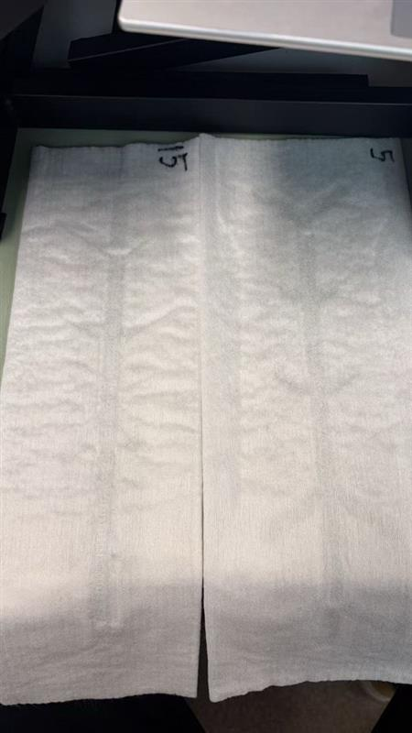

 |  |  |  |  |  |  |  |  |  |  |  |  |  |  |  |  |  |  |  |  |  | 测试下30min 芯吸高度 & 瞬时的芯吸高度 Minrui 翻面：毛面朝向 复测N610 原材料测试

Material Test
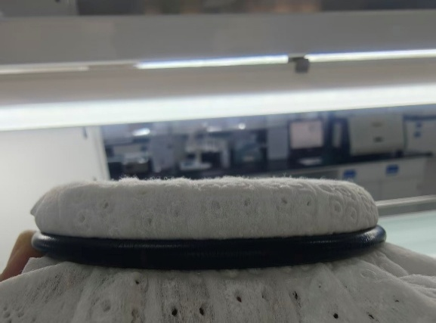
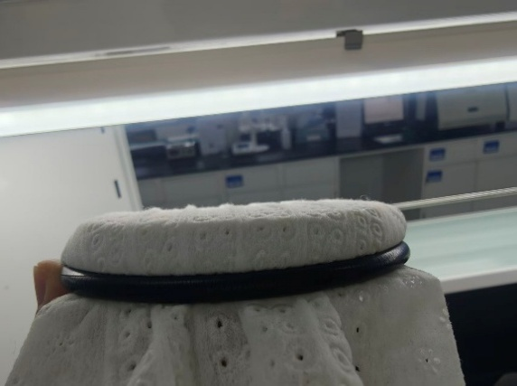
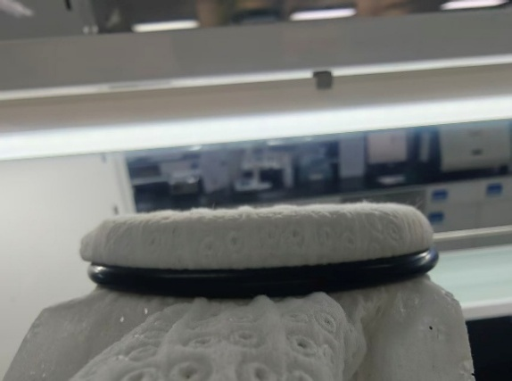
Liner-1 Yanjan Code 1: 50gsm | Basis Weight(gsm) 基重 | Thickness(Spooling Roll Outside at 0.2kpa) 厚度 | MD Strength (N/2inch) | CD Strength (N/2inch) | MD Elongation (%) | CD Elongation (%) | Strike-Through (sec.) 亲水性 | Wetback(g) 返渗 | Between layer delamination Strength(N) 3D面层层压强度 | PH | Run off (g) | Lints (Abrasion)起毛
Ave | 45.22 | 1.721 | 5923.03 | 753.90 | 46.33 | 79.98 | 0.87 | 0.04 | 115.28 | 7.11 | 0 | #DIV/0!

REL Minrui | Basis Weight (gsm) | Thickness(mm)(Roll Outside at 0.2kpa) | Tensile Strength MD | Tensile Strength CD | MD Elongation at biggest strength (%) | CD Elongation at biggest strength (%) | Liquid Strike-Through(sec.) | Wetback (g) | PH Value
Ave | 33.48 | 0.865 | 2348.36 | 570.91 | 53.36 | 79.42 | 1.23 | 0.047 | 6.69
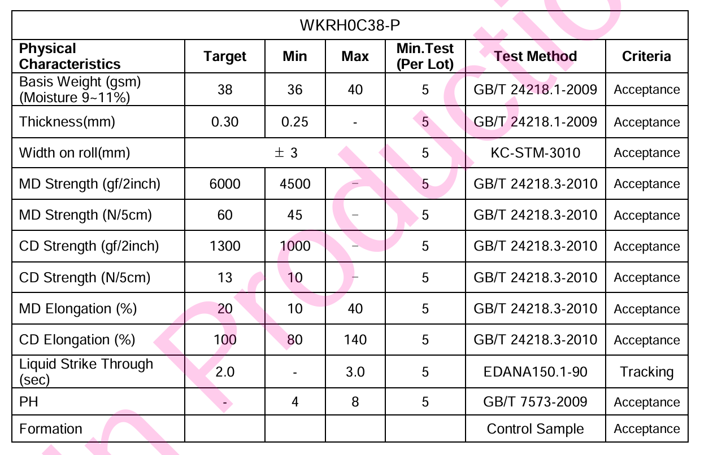
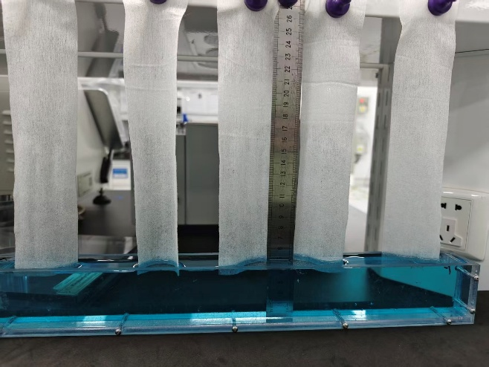
LSN-1 含三叶草粘胶纤维王金 | 基重(gsm) | 材料厚度[2] (卷外@0.20Kpa(2mm)) | MD拉伸强度 | CD拉伸强度 | MD延伸率% | CD延伸率% | 含水率% | 液体穿透时间 | 返渗 | 芯体吸收高度（爬坡 反重力测试） | 爬坡时长5min
1 | 39.18 | 0.364 | 3650.31 | 1116.34 | 21.24 | 107.94 | 10.70% | 1.590 | 0.913 | 139.5
2 | 38.46 | 0.374 | 2380.33 | 621.39 | 23.90 | 108.77 | 7.86% | 1.580 | 0.907 | 139.5
3 | 38.08 | 0.380 | 3258.88 | 765.71 | 25.48 | 103.36 | 10.26% | 1.550 | 0.898 | 125
4 | 38.7 | 0.371 | 2482.23 | 797.81 | 27.52 | 109.37 | 9.92% | 1.650 | 0.92 | 140
5 | 39.36 | 0.361 | 4096.92 | 1033.28 | 20.58 | 105.37 | 11.35% | 1.600 | 0.842 | 142
Ave | 38.76 | 0.370 | 3173.73 | 866.91 | 23.74 | 106.96 | 10.02% | 1.594 | 0.896 | 137.2
LSN-2 Unikorn幅宽200mm | 基重(gsm) | 材料厚度[2] (卷外@0.20Kpa(2mm)) | MD拉伸强度 | CD拉伸强度 | MD延伸率% | CD延伸率% | 含水率% | 液体穿透时间 | 返渗 | 芯体吸收高度（爬坡 反重力测试）
1 | 20.12 | 0.2674 | 884.14 | 390.80 | 36.43 | 91.77 | 2.85% | 2.83 | 0.145 | 45
2 | 20.20 | 0.2744 | 709.71 | 410.68 | 47.17 | 64.79 | 1.54% | 2.46 | 0.097 | 57.5 | 两款材料相同，仅幅宽不同，测试一种
3 | 21.02 | 0.2752 | 671.01 | 502.35 | 28.68 | 82.07 | 2.51% | 2.93 | 0.122 | 53.5
4 | 20.06 | 0.2687 | 723.49 | 546.72 | 26.88 | 81.20 | 2.34% | 2.84 | 0.125 | 47.5
5 | 20.86 | 0.2621 | 742.70 | 458.49 | 30.18 | 58.30 | 2.83% | 3.09 | 0.118 | 52
Ave | 20.45 | 0.2696 | 746.21 | 461.81 | 33.87 | 75.63 | 2.41% | 2.83 | 0.121 | 51.1
SAP-1 NR950 | Particle Size Distribution (%) 粒径分布 | Centrifuge Retention Capacity(0.9% saline,250G) 离心保水 | Absorbency under Load(0.9psi) 加压吸收 | Apparent Density 密度 | Vortex 吸收速率 | Moisture 交货水分 | pH | Hunter Color (白度) | GBP | Absorbency under Load(0.7psi) | Absorbency under Load(0.3psi)
Ave | #DIV/0! | 38.79 | 25.742 | 0.688 | 57.856 | 3.50% | 6.01 | 69.624 | 5.52 | 26.055 | 33.272
SAP-2 NR610S | Particle Size Distribution (%) | Centrifuge Retention Capacity(0.9% saline,250G) | Absorbency under Load(0.9psi) | Apparent Density | Vortex | Moisture | pH | Hunter Color (白度) | GBP | Absorbency under Load(0.7psi) | Absorbency under Load(0.3psi) |  | SAP-2 NR610S 复测 | Particle Size Distribution (%) 粒径分布 | Centrifuge Retention Capacity(0.9% saline,250G) 离心保水 | Absorbency under Load(0.9psi) 加压吸收 | Apparent Density 密度 | Vortex 吸收速率 | Moisture 交货水分 | pH | Hunter Color (白度) | GBP | Absorbency under Load(0.7psi) | Absorbency under Load(0.3psi)
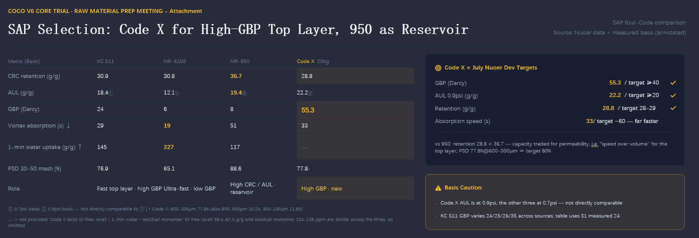
Ave | #DIV/0! | 33.71 | 25.17 | 0.634 | 27.742 | 4.86% | 5.98 | 82.9 | 7.185 | 23.95 | 24.506 |  | Ave | #DIV/0! | 34.39 | 13.21 | 0.64 | 25.80 | 0.07 | 5.93 | 83.30 | 5.01 | 13.63 | 24.89
SAP-3 High GBP | Particle Size Distribution (%) | Centrifuge Retention Capacity(0.9% saline,250G) | Absorbency under Load(0.9psi) | Apparent Density | Vortex | Moisture | pH | Hunter Color (白度) | GBP | Absorbency under Load(0.7psi) | Absorbency under Load(0.3psi)
1 | 850μm：0% | 30.96 | 27.89 | 0.63 | 28.65 | 2.72% | 6.03 | 68.55 | 37.5 | 29.82 | 36.37
2 | 600μm：5.67% | 30.46 | 28.75 | 0.63 | 29.86 | 2.68% | 6.05 | 68.55 | 38.34 | 30.15 | 36.27
3 | 300μm：77.81% | 30.69 | 27.3 | 0.63 | 28.52 | 2.64% | 6.01 | 68.79 |  |  | 36.7
4 | 90μm：16.31% | 30.77 | 27.03 | 0.63 | 29.13 | 2.96% | 6.07 | 68.79 |  |  | 43.3
5 | 45μm：0.21% | 30.09 | 26.85 | 0.63 | 29.28 | 2.88% | 6.02 | 68.55 |  |  | 36.48
Ave | #DIV/0! | 30.594 | 27.564 | 0.63 | 29.088 | 2.78% | 6.036 | 68.646 | 37.92 | 29.985 | 37.824
SAP-4 610+511 | Particle Size Distribution (%) | Centrifuge Retention Capacity(0.9% saline,250G) | Absorbency under Load(0.9psi) | Apparent Density | Vortex | Moisture | pH | Hunter Color (白度) | GBP | Absorbency under Load(0.7psi) | Absorbency under Load(0.3psi)
1 | 850μm：0% | 32.85 | 20.85 | 0.64 | 25.08 | 4.36% | 6.04 | 80.32 | 9.55 | 29.41 | 28.82
2 | 600μm：1.51% | 32.65 | 27.07 | 0.64 | 25.66 | 4.64% | 6.03 | 81.28 | 9.81 | 31.27 | 33.98
3 | 300μm：75.17% | 30.94 | 28.23 | 0.64 | 24.33 | 4.80% | 6.03 | 81.27 |  |  | 29.1
4 | 90μm：23.26% | 31.56 | 29.42 | 0.64 | 23.82 | 4.92% | 6.03 | 81.27 |  |  | 31.81
5 | 45μm：0.06% | 32.84 | 32.04 | 0.64 | 26.4 | 4.84% | 6.05 | 81.27 |  |  | 27.53
Ave | #DIV/0! | 32.168 | 27.522 | 0.64 | 25.058 | 4.71% | 6.036 | 81.082 | 9.68 | 30.34 | 30.248
SAP-5 610+950 | Particle Size Distribution (%) | Centrifuge Retention Capacity(0.9% saline,250G) | Absorbency under Load(0.9psi) | Apparent Density | Vortex | Moisture | pH | Hunter Color (白度) | GBP | Absorbency under Load(0.7psi) | Absorbency under Load(0.3psi)
1 | 850μm：0.02% | 36.45 | 15.06 | 0.66 | 30.88 | 3.60% | 6.18 | 77.12 | 6.13 | 19.71 | 27.75
2 | 600μm：1.36% | 35.51 | 17.85 | 0.66 | 31.29 | 3.60% | 6.05 | 77.22 | 7.46 | 18.91 | 28.3
3 | 300μm：77.27% | 35.97 | 23.25 | 0.66 | 33.4 | 3.48% | 6.11 | 77.22 |  |  | 28.49
4 | 90μm：21.31% | 36.22 | 16.51 | 0.66 | 26.16 | 3.60% | 6.08 | 77.22 |  |  | 33.21
5 | 45μm：0.04% | 35.49 | 17.08 | 0.66 | 31.28 | 3.60% | 6.07 | 76.88 |  |  | 34.45
Ave | #DIV/0! | 35.928 | 17.95 | 0.66 | 30.602 | 3.58% | 6.098 | 77.132 | 6.795 | 19.31 | 30.44
511 |  |  | 31.5 |  | 35
芯吸高度 （mm）
LSN-三叶草 | 137.2
Unikorn | 51.1
Control LSN | 109.5
Control PSN | 15.9

LSN&PSN
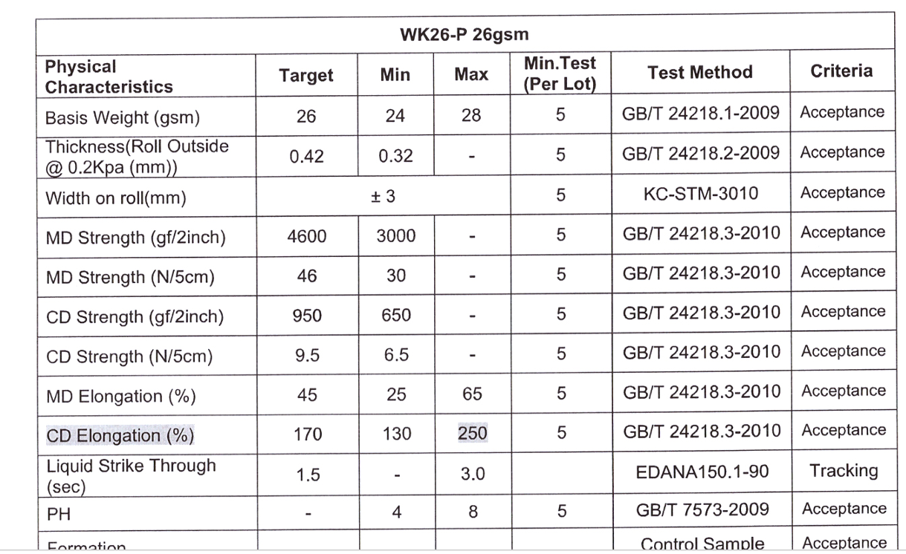
LSN-1 含三叶草粘胶纤维王金 | 基重(gsm) | 材料厚度[2] (卷外@0.20Kpa(2mm)) | MD拉伸强度 | CD拉伸强度 | MD延伸率% | CD延伸率% | 含水率% | 液体穿透时间 | 返渗 | 芯体吸收高度（爬坡 反重力测试）
1 | 39.18 | 0.364 | 3650.31 | 1116.34 | 21.24 | 107.94 | 10.70% | 1.590 | 0.913 | 139.5
2 | 38.46 | 0.374 | 2380.33 | 621.39 | 23.90 | 108.77 | 7.86% | 1.580 | 0.907 | 139.5
3 | 38.08 | 0.380 | 3258.88 | 765.71 | 25.48 | 103.36 | 10.26% | 1.550 | 0.898 | 125
4 | 38.7 | 0.371 | 2482.23 | 797.81 | 27.52 | 109.37 | 9.92% | 1.650 | 0.92 | 140
5 | 39.36 | 0.361 | 4096.92 | 1033.28 | 20.58 | 105.37 | 11.35% | 1.600 | 0.842 | 142
Ave | 38.76 | 0.370 | 3173.73 | 866.91 | 23.74 | 106.96 | 10.02% | 1.594 | 0.896 | 137.2
LSN-2 Unikorn幅宽200mm | 基重(gsm) | 材料厚度[2] (卷外@0.20Kpa(2mm)) | MD拉伸强度 | CD拉伸强度 | MD延伸率% | CD延伸率% | 含水率% | 液体穿透时间 | 返渗 | 芯体吸收高度（爬坡 反重力测试）
1 | 20.12 | 0.2674 | 884.14 | 390.80 | 36.43 | 91.77 | 2.85% | 2.83 | 0.145 | 45
2 | 20.20 | 0.2744 | 709.71 | 410.68 | 47.17 | 64.79 | 1.54% | 2.46 | 0.097 | 57.5
3 | 21.02 | 0.2752 | 671.01 | 502.35 | 28.68 | 82.07 | 2.51% | 2.93 | 0.122 | 53.5 | LSN-三叶草 | Unikorn | Control LSN | Control PSN
4 | 20.06 | 0.2687 | 723.49 | 546.72 | 26.88 | 81.20 | 2.34% | 2.84 | 0.125 | 47.5
芯吸高度 -5 min（mm）
LSN-三叶草 | 137.2
Unikorn | 51.1
Control LSN | 109.5
Control PSN | 15.9
5 | 20.86 | 0.2621 | 742.70 | 458.49 | 30.18 | 58.30 | 2.83% | 3.09 | 0.118 | 52
Ave | 20.45 | 0.2696 | 746.21 | 461.81 | 33.87 | 75.63 | 2.41% | 2.83 | 0.121 | 51.1
Control LSN
 |  |  |  |  |  |  |  |  |  | 111.5
 |  |  |  |  |  |  |  |  |  | 110
 |  |  |  |  |  |  |  |  |  | 107.5
 |  |  |  |  |  |  |  |  |  | 111.5
 |  |  |  |  |  |  |  |  |  | 107
 |  |  |  |  |  |  |  | 2 |  | 109.5
Control PSN | 基重(gsm) | 材料厚度[2] (卷外@0.20Kpa(2mm)) | MD拉伸强度 | CD拉伸强度 | MD延伸率% | CD延伸率% | 含水率% | 液体穿透时间 | 返渗 | 芯体吸收高度（爬坡 反重力测试）
 |  |  |  |  |  |  |  |  |  | 14
 |  |  |  |  |  |  |  |  |  | 17
 |  |  |  |  |  |  |  |  |  | 17.5
 |  |  |  |  |  |  |  |  |  | 14
 |  |  |  |  |  |  |  |  |  | 17
Ave | 26 | 0.42 |  |  |  |  |  | 1.5 |  | 15.9

芯吸高度
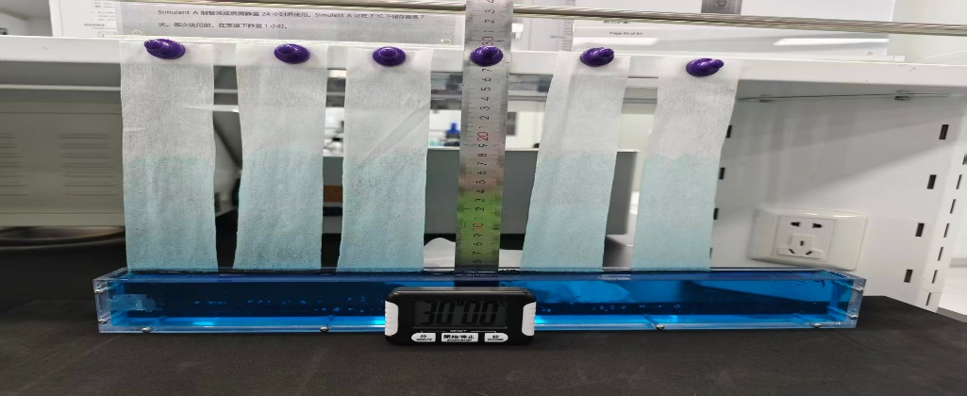
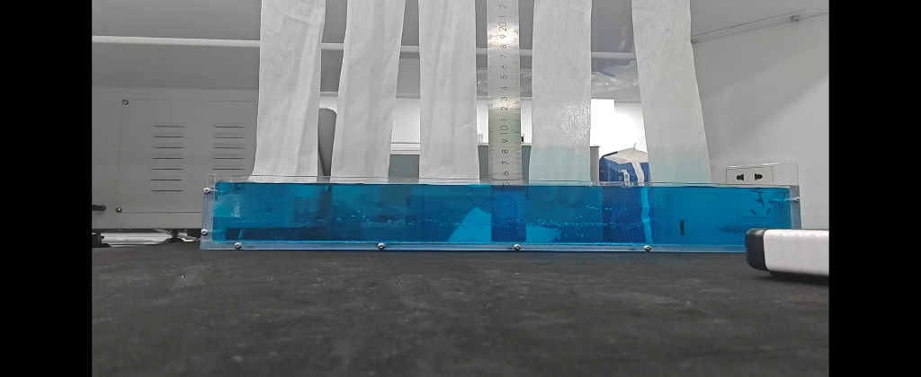
LSN | 10s |  |  |  |  |  | 30min
 | 58.5 |  |  |  |  |  | 119.5
 | 61.5 |  |  |  |  |  | 125.5
 | 63 |  |  |  |  |  | 123.5
 | 62 |  |  |  |  |  | 128
 | 63 |  |  |  |  |  | 130.5
 | ave | 61.6 |  |  |  |  | ave | 125.4
 | std | 1.9 |  |  |  |  | std | 4.2


PSN | 12 |  |  |  |  |  | 22.5
 | 14 |  |  |  |  |  | 15.5
 | 12.5 |  |  |  |  |  | 17.5
 | 11 |  |  |  |  |  | 15.5
 | 11.5 |  |  |  |  |  | 17.5
 | ave | 12.2 |  |  |  |  | ave | 17.7
 | std | 1.2 |  |  |  |  | std | 2.9

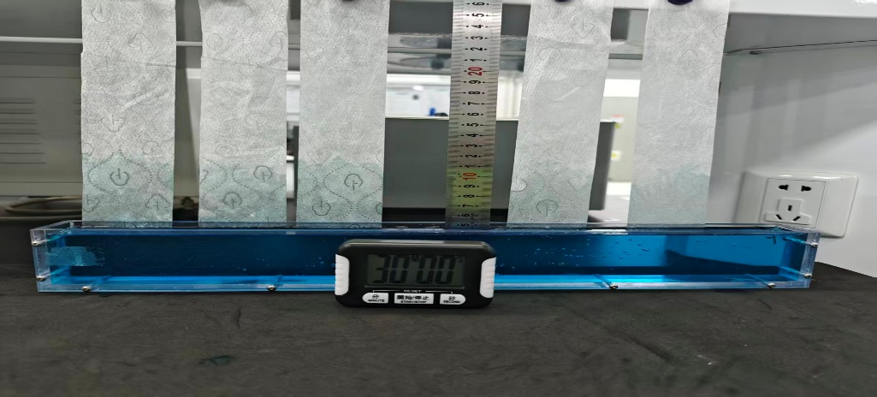
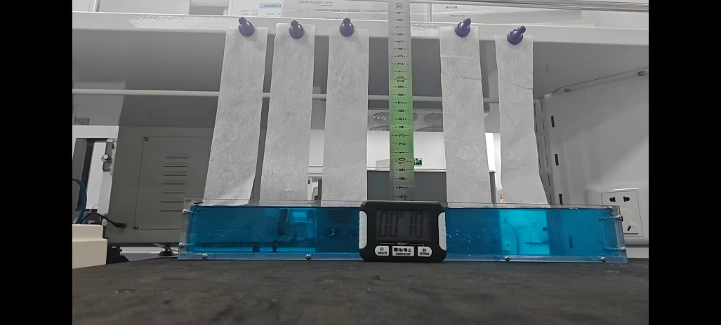
unikorn | 15 |  |  |  |  |  | 71
 | 8 |  |  |  |  |  | 60
 | 5.5 |  |  |  |  |  | 66
 | 8 |  |  |  |  |  | 64.5
 | 12 |  |  |  |  |  | 62
 | ave | 9.7 |  |  |  |  | ave | 64.7
 | std | 3.8 |  |  |  |  | std | 4.2

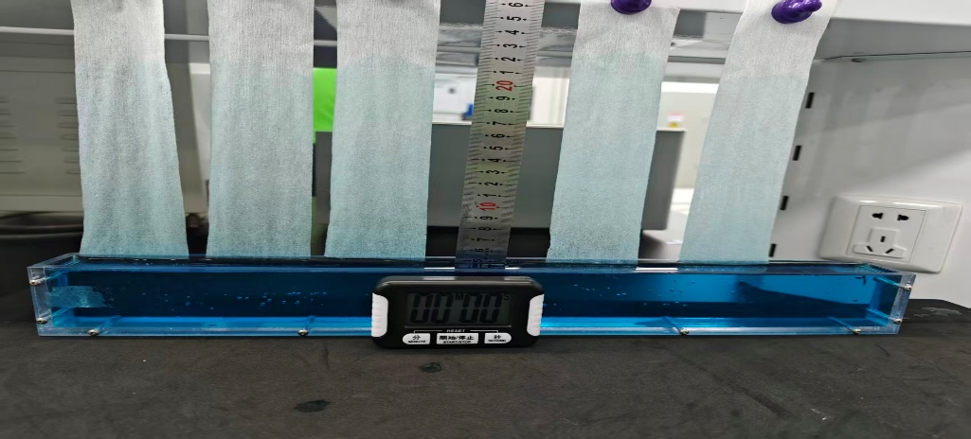
王金 | 59.5 |  |  |  |  |  | 157
 | 59 |  |  |  |  |  | 168
 | 71.5 |  |  |  |  |  | 166.5
 | 75.5 |  |  |  |  |  | 181
 | 78 |  |  |  |  |  | 170.5
 | ave | 68.7 |  |  |  |  | ave | 168.6
 | std | 8.9 |  |  |  |  | std | 8.6

芯吸高度 (mm)
 |  |  |  | 10s | 5min | 30min
 |  |  | Control LSN | 61.6 | 109.5 | 125.4
 |  |  | Control PSN | 12.2 | 15.9 | 17.7
 |  |  | Unikorn | 9.7 | 51.1 | 64.7
 |  |  | Wangjin 三叶草 | 68.7 | 137.2 | 168.6

Lab data form
Code 1 | 国标重量 | 国标第一次吸收时间 | 国标第二次吸收时间 | 国标回渗 | 国标渗漏 | Cradle 重量 | Cradle 1st intake | Cradle 2nd intake | Cradle 3rd intake | Cradle扩散长度 | L-H Weight | L intake time | L Rewet | L Residue | H intake time | H Rewet | H Residue | L-H 扩散长度 | Weight after intake | Surface Moisture重量 | Surface Moisture吸收时间 | Surface Moisture回渗 | Run off | FTFE 1st intake time | FIFE leakage | FTFE 2st intake time | FIFE leakage | FTFE Rewet | FTFE 3st intake time | FIFE leakage | Pad Integrity
1 | 36.37 | 25.77 | 26.60 | 0.51 | 0.51 | 36.44 | 13.82 | 10.97 | 28.19 | 208 | 36.39 | 8.72 | 0.13 | 0.11 | 15.28 | 0.25 | 0.06 | 335 | 202.89 | 36.80 | 15.25 | 0.16 | 0.00 | 22.59 | 0 | 16.59 | 0 | 9.12 | 11.43 | 0 | 300
2 | 36.26 | 25.20 | 26.60 | 0.25 | 0.54 | 36.41 | 13.85 | 9.82 | 26.22 | 206 | 36.39 | 7.57 | 0.17 | 0.06 | 13.57 | 0.27 | 0.04 | 321 | 202.77 | 36.75 | 18.09 | 0.19 | 0.00 | 18.19 | 0 | 9.58 | 0 | 4.65 | 7.39 | 0 | 300
3 | 36.38 | 24.86 | 25.17 | 0.38 | 0.56 | 36.48 | 13.53 | 10.84 | 30.44 | 199 | 36.53 | 9.09 | 0.10 | 0.03 | 13.16 | 0.29 | 0.04 | 318 | 202.50 | 36.71 | 18.16 | 0.16 | 0.00 | 16.53 | 0 | 8.18 | 0 | 7.36 | 6.14 | 0 | 300
4 | 36.13 | 24.83 | 26.04 | 0.32 | 0.55 | 36.28 | 13.25 | 9.72 | 32.88 | 201 | 36.34 | 6.31 | 0.15 | 0.08 | 15.31 | 0.27 | 0.06 | 316 | 202.20 | 36.65 | 16.43 | 0.16 | 0.00 | 14.62 | 0 | 7.24 | 0 | 8.47 | 7.24 | 0 | 300
5 | 36.37 | 24.64 | 26.78 | 0.15 | 0.54 |  |  |  |  |  |  |  |  |  |  |  |  |  |  | 36.57 | 16.50 | 0.19 | 0.00 |  |  |  |  |  |  |  | 300
adv | 36.30 | 25.06 | 26.24 | 0.32 | 0.54 | 36.40 | 13.61 | 10.34 | 29.43 | 203.50 | 36.41 | 7.92 | 0.14 | 0.07 | 14.33 | 0.27 | 0.05 | 322.13 | 202.59 | 36.70 | 16.89 | 0.17 | 0.00 | 17.98 | 0.00 | 10.40 | 0.00 | 7.40 | 8.05 | 0.00 | 300.00
Std | 0.11 | 0.45 | 0.66 | 0.14 | 0.02 | 0.09 | 0.28 | 0.66 | 2.87 | 4.20 | 0.08 | 1.25 | 0.03 | 0.03 | 1.13 | 0.02 | 0.01 | 8.83 | 0.31 | 0.09 | 1.24 | 0.02 | 0.00 | 3.40 | 0.00 | 4.24 | 0.00 | 1.97 | 2.32 | 0.00 | 0.00

Code 2 | 国标重量 | 国标第一次吸收时间 | 国标第二次吸收时间 | 国标回渗 | 国标渗漏 | Cradle 重量 | Cradle 1st intake | Cradle 2nd intake | Cradle 3rd intake | Cradle扩散长度 | L-H Weight | L intake time | L Rewet | L Residue | H intake time | H Rewet | H Residue | L-H 扩散长度 | Weight after intake | Surface Moisture重量 | Surface Moisture吸收时间 | Surface Moisture回渗 | Run off | FTFE 1st intake time | FIFE leakage | FTFE 2st intake time | FIFE leakage | FTFE Rewet | FTFE 3st intake time | FIFE leakage | Pad Integrity
1 | 35.80 | 26.42 | 26.69 | 0.59 | 0.46 | 35.61 | 14.12 | 10.14 | 34.66 | 198.00 | 35.53 | 6.87 | 0.15 | 0.04 | 14.75 | 0.24 | 0.01 | 331 | 201.27 | 36.52 | 16.31 | 0.16 | 0.70 | 16.58 | 0 | 8.45 | 0 | 11.38 | 5.66 | 0 | 160
2 | 35.92 | 24.88 | 24.93 | 0.51 | 0.50 | 35.91 | 12.87 | 10.56 | 33.69 | 193.00 | 35.69 | 7.85 | 0.15 | 0.06 | 17.65 | 0.24 | 0.01 | 319 | 201.58 | 36.08 | 14.56 | 0.19 | 0.00 | 17.20 | 0 | 8.09 | 0 | 12.36 | 5.95 | 0 | 249
3 | 35.42 | 25.44 | 26.17 | 0.47 | 0.54 | 35.62 | 13.44 | 10.94 | 33.44 | 190.00 | 35.60 | 6.91 | 0.18 | 0.04 | 16.15 | 0.26 | 0.01 | 317 | 203.12 | 36.31 | 16.13 | 0.18 | 0.55 | 16.54 | 0 | 7.96 | 0 | 9.76 | 5.02 | 0 | 174
4 | 35.48 | 23.77 | 24.65 | 0.32 | 0.55 | 35.29 | 14.28 | 11.23 | 31.03 | 204.00 | 35.57 | 8.44 | 0.17 | 0.01 | 14.84 | 0.29 | 0.03 | 318 | 203.02 | 36.43 | 14.72 | 0.17 | 0.46 | 13.68 | 0 | 7.38 | 0 | 12.30 | 6.03 | 0 | 136
5 | 35.49 | 24.45 | 26.48 | 0.31 | 0.54 |  |  |  |  |  |  |  |  |  |  |  |  |  |  | 35.95 | 15.50 | 0.17 | 0.00 |  |  |  |  |  |  |  | 153
adv | 35.62 | 24.99 | 25.78 | 0.44 | 0.52 | 35.61 | 13.68 | 10.72 | 33.21 | 196.25 | 35.60 | 7.52 | 0.16 | 0.04 | 15.85 | 0.26 | 0.02 | 320.88 | 202.25 | 36.26 | 15.44 | 0.17 | 0.34 | 16.00 | 0.00 | 7.97 | 0.00 | 11.45 | 5.67 | 0.00 | 174.40
Std | 0.22 | 1.00 | 0.93 | 0.12 | 0.04 | 0.25 | 0.65 | 0.47 | 1.54 | 6.13 | 0.07 | 0.76 | 0.02 | 0.02 | 1.36 | 0.02 | 0.01 | 6.47 | 0.96 | 0.24 | 0.80 | 0.01 | 0.32 | 1.58 | 0.00 | 0.44 | 0.00 | 1.21 | 0.46 | 0.00 | 43.89

Control 1 | 国标重量 | 国标第一次吸收时间 | 国标第二次吸收时间 | 国标回渗 | 国标渗漏 | Cradle 重量 | Cradle 1st intake | Cradle 2nd intake | Cradle 3rd intake | Cradle扩散长度 | L-H Weight | L intake time | L Rewet | L Residue | H intake time | H Rewet | H Residue | L-H 扩散长度 | Weight after intake | Surface Moisture重量 | Surface Moisture吸收时间 | Surface Moisture回渗 | Run off | FTFE 1st intake time | FIFE leakage | FTFE 2st intake time | FIFE leakage | FTFE Rewet | FTFE 3st intake time | FIFE leakage | Pad Integrity
1 | 36.11 | 26.04 | 28.48 | 0.13 | 0.47 | 36.39 | 14.16 | 11.47 | 30.21 | 201 | 35.97 | 7.60 | 0.17 | 0.14 | 15.06 | 0.29 | 0.05 | 341.5 | 201.85 | 35.84 | 16.13 | 0.15 | 0.74 | 14.97 | 0 | 7.87 | 0 | 12.23 | 5.48 | 0 | 230
2 | 36.26 | 26.22 | 29.40 | 0.38 | 0.49 | 36.24 | 14.47 | 9.75 | 28.84 | 200 | 36.05 | 7.47 | 0.19 | 0.09 | 16.34 | 0.29 | 0.09 | 330.5 | 203.00 | 36.37 | 16.62 | 0.19 | 0.00 | 16.88 | 0 | 8.18 | 0 | 14.05 | 5.96 | 0 | 213
3 | 36.12 | 24.57 | 28.45 | 0.52 | 0.54 | 35.85 | 13.81 | 11.88 | 34.75 | 212 | 36.42 | 9.28 | 0.14 | 0.04 | 13.48 | 0.29 | 0.05 | 331.5 | 201.98 | 36.23 | 15.41 | 0.16 | 0.28 | 15.62 | 0 | 7.87 | 0 | 14.42 | 5.77 | 0 | 219
4 | 35.85 | 24.54 | 28.82 | 0.35 | 0.53 | 35.76 | 15.13 | 10.85 | 36.11 | 203 | 35.95 | 8.25 | 0.19 | 0.08 | 15.09 | 0.29 | 0.05 | 327 | 202.56 | 36.47 | 15.93 | 0.16 | 0.11 | 18.30 | 0 | 8.60 | 0 | 15.01 | 6.05 | 0 | 300
5 | 36.17 | 23.92 | 26.40 | 0.48 | 0.54 |  |  |  |  |  |  |  |  |  |  |  |  |  |  | 36.40 | 15.87 | 0.17 | 0.00 |  |  |  |  |  |  |  | 226
adv | 36.10 | 25.06 | 28.31 | 0.37 | 0.51 | 36.06 | 14.39 | 10.99 | 32.48 | 204.00 | 36.10 | 8.15 | 0.17 | 0.09 | 14.99 | 0.29 | 0.06 | 332.63 | 202.35 | 36.26 | 15.99 | 0.17 | 0.23 | 16.44 | 0.00 | 8.13 | 0.00 | 13.93 | 5.82 | 0.00 | 237.60
Std | 0.15 | 1.01 | 1.13 | 0.15 | 0.03 | 0.30 | 0.56 | 0.93 | 3.50 | 5.48 | 0.22 | 0.83 | 0.02 | 0.04 | 1.17 | 0.00 | 0.02 | 6.22 | 0.53 | 0.25 | 0.44 | 0.02 | 0.31 | 1.47 | 0.00 | 0.35 | 0.00 | 1.20 | 0.25 | 0.00 | 35.49

Control 2 | 国标重量 | 国标第一次吸收时间 | 国标第二次吸收时间 | 国标回渗 | 国标渗漏 | Cradle 重量 | Cradle 1st intake | Cradle 2nd intake | Cradle 3rd intake | Cradle扩散长度 | L-H Weight | L intake time | L Rewet | L Residue | H intake time | H Rewet | H Residue | L-H 扩散长度 | Weight after intake | Surface Moisture重量 | Surface Moisture吸收时间 | Surface Moisture回渗 | Run off | FTFE 1st intake time | FIFE leakage | FTFE 2st intake time | FIFE leakage | FTFE Rewet | FTFE 3st intake time | FIFE leakage | Pad Integrity
1 | 36.64 | 27.77 | 29.48 | 0.41 | 0.46 | 36.48 | 14.35 | 10.22 | 38.22 | 205 | 36.39 | 8.59 | 0.19 | 0.08 | 13.91 | 0.30 | 0.05 | 324 | 203.02 | 36.05 | 16.93 | 0.17 | 0.36 | 15.2 | 0 | 8.00 | 0 | 11.82 | 5.66 | 0 | 300
2 | 36.55 | 26.14 | 29.45 | 0.53 | 0.49 | 36.30 | 15.00 | 11.37 | 37.88 | 203 | 36.44 | 6.39 | 0.19 | 0.09 | 14.94 | 0.32 | 0.03 | 331.5 | 203.58 | 36.30 | 18.72 | 0.17 | 0.86 | 18.22 | 0 | 7.71 | 0 | 15.02 | 5.91 | 0 | 300
3 | 36.13 | 25.53 | 28.64 | 0.80 | 0.51 | 36.21 | 14.53 | 11.47 | 40.82 | 201 | 36.60 | 8.28 | 0.21 | 0.12 | 13.94 | 0.33 | 0.07 | 344 | 203.58 | 36.40 | 17.44 | 0.16 | 0.10 | 17.17 | 0 | 7.94 | 0 | 13.71 | 5.80 | 0 | 300
4 | 36.46 | 25.68 | 29.32 | 0.19 | 0.36 | 36.26 | 14.53 | 10.81 | 41.81 | 211 | 36.55 | 7.81 | 0.19 | 0.11 | 15.93 | 0.34 | 0.07 | 324.5 | 203.19 | 36.82 | 18.50 | 0.18 | 0.10 | 17.60 | 0 | 8.15 | 0 | 12.29 | 5.89 | 0 | 300
5 | 36.76 | 23.20 | 26.48 | 0.53 | 0.51 |  |  |  |  |  |  |  |  |  |  |  |  |  |  | 36.00 | 16.63 | 0.17 | 0.34 |  |  |  |  |  |  |  | 300
adv | 36.51 | 25.66 | 28.67 | 0.49 | 0.47 | 36.31 | 14.60 | 10.97 | 39.68 | 205.00 | 36.50 | 7.77 | 0.20 | 0.10 | 14.68 | 0.32 | 0.06 | 331.00 | 203.34 | 36.31 | 17.64 | 0.17 | 0.35 | 17.05 | 0.00 | 7.95 | 0.00 | 13.21 | 5.82 | 0.00 | 300.00
Std | 0.24 | 1.64 | 1.27 | 0.22 | 0.06 | 0.12 | 0.28 | 0.58 | 1.93 | 4.32 | 0.10 | 0.97 | 0.01 | 0.02 | 0.96 | 0.02 | 0.02 | 9.32 | 0.28 | 0.33 | 0.93 | 0.01 | 0.31 | 1.30 | 0.00 | 0.18 | 0.00 | 1.45 | 0.11 | 0.00 | 0.00

Code 3 | 国标重量 | 国标第一次吸收时间 | 国标第二次吸收时间 | 国标回渗 | 国标渗漏 | Cradle 重量 | Cradle 1st intake | Cradle 2nd intake | Cradle 3rd intake | Cradle扩散长度 | L-H Weight | L intake time | L Rewet | L Residue | H intake time | H Rewet | H Residue | L-H 扩散长度 | Weight after intake |  |  |  |  | FTFE 1st intake time | FIFE leakage | FTFE 2st intake time | FIFE leakage | FTFE Rewet | FTFE 3st intake time | FIFE leakage | Pad Integrity
1 | 36.96 | 27.90 | 27.38 | 0.87 | 0.41 | 37.17 | 15.59 | 13.82 | 52.80 | 244 | 37.10 | 10.66 | 0.11 | 0.02 | 15.09 | 0.35 | 0.00 | 351.00 | 205.22 |  |  |  |  | 16.98 | 0 | 8.22 | 0 | 13.03 | 5.46 | 0
2 | 37.09 | 27.82 | 29.43 | 1.01 | 0.44 | 36.85 | 16.47 | 14.37 | 53.81 | 241 | 37.03 | 11.09 | 0.17 | 0.01 | 16.28 | 0.30 | 0.00 | 343.00 | 203.12 |  |  |  |  | 15.2 | 0 | 7.74 | 0 | 13.32 | 5.37 | 0
3 | 36.60 | 25.38 | 27.89 | 1.19 | 0.48 | 37.41 | 16.59 | 14.19 | 55.25 | 243 | 36.67 | 10.00 | 0.15 | 0.00 | 15.68 | 0.29 | 0.00 | 350.00 | 202.60 |  |  |  |  | 16.12 | 0 | 7.95 | 0 | 10.47 | 5.11 | 0
4 | 37.13 | 26.24 | 27.20 | 0.87 | 0.48 | 36.75 | 15.75 | 16.22 | 49.53 | 243 | 36.83 | 9.69 | 0.15 | 0.01 | 16.91 | 0.32 | 0.00 | 353.00 | 205.11 |  |  |  |  | 13.37 | 0 | 8.03 | 0 | 12.79 | 5.22 | 0
5 | 37.22 | 25.23 | 28.33 | 1.01 | 0.49 | 37.00 | 16.50 | 16.18 | 55.40 | 237.00
adv | 37.00 | 26.51 | 28.05 | 0.99 | 0.46 | 37.04 | 16.18 | 14.96 | 53.36 | 241.60 | 36.91 | 10.36 | 0.15 | 0.01 | 15.99 | 0.32 | 0.00 | 349.25 | 204.01 |  |  |  |  | 15.42 | 0.00 | 7.98 | 0.00 | 12.40 | 5.29 | 0.00
Std | 0.24 | 1.29 | 0.89 | 0.13 | 0.03 | 0.26 | 0.47 | 1.15 | 2.39 | 2.79 | 0.20 | 0.63 | 0.03 | 0.01 | 0.78 | 0.03 | 0.00 | 4.35 | 1.35 |  |  |  |  | 1.55 | 0.00 | 0.20 | 0.00 | 1.31 | 0.16 | 0.00

Code 4 | 国标重量 | 国标第一次吸收时间 | 国标第二次吸收时间 | 国标回渗 | 国标渗漏 | Cradle 重量 | Cradle 1st intake | Cradle 2nd intake | Cradle 3rd intake | Cradle扩散长度 | L-H Weight | L intake | L Rewet | L Residue | H intake | H Rewet | H Residue | L-H 扩散长度 | Weight after intake |  |  |  |  | FTFE 1st intake time | FIFE leakage | FTFE 2st intake time | FIFE leakage | FTFE Rewet | FTFE 3st intake time | FIFE leakage | Pad Integrity
1
2
3
4
5
adv | #DIV/0! | #DIV/0! | #DIV/0! | #DIV/0! | #DIV/0! | #DIV/0! | #DIV/0! | #DIV/0! | #DIV/0! | #DIV/0! | #DIV/0! | #DIV/0! | #DIV/0! | #DIV/0! | #DIV/0! | #DIV/0! | #DIV/0! | #DIV/0! | #DIV/0! |  |  |  |  | #DIV/0! | #DIV/0! | #DIV/0! | #DIV/0! | #DIV/0! | #DIV/0! | #DIV/0! | #DIV/0!
Std | #DIV/0! | #DIV/0! | #DIV/0! | #DIV/0! | #DIV/0! | #DIV/0! | #DIV/0! | #DIV/0! | #DIV/0! | #DIV/0! | #DIV/0! | #DIV/0! | #DIV/0! | #DIV/0! | #DIV/0! | #DIV/0! | #DIV/0! | #DIV/0! | #DIV/0! |  |  |  |  | #DIV/0! | #DIV/0! | #DIV/0! | #DIV/0! | #DIV/0! | #DIV/0! | #DIV/0! | #DIV/0!

Code 5 | 国标重量 | 国标第一次吸收时间 | 国标第二次吸收时间 | 国标回渗 | 国标渗漏 | Cradle 重量 | Cradle 1st intake | Cradle 2nd intake | Cradle 3rd intake | Cradle扩散长度 | L-H Weight | L intake | L Rewet | L Residue | H intake | H Rewet | H Residue | L-H 扩散长度 | Weight after intake |  |  |  |  | FTFE 1st intake time | FIFE leakage | FTFE 2st intake time | FIFE leakage | FTFE Rewet | FTFE 3st intake time | FIFE leakage | Pad Integrity
1 | 36.47 | 26.85 | 29.16 | 0.20 | 0.44 | 36.20 | 14.40 | 10.19 | 28.00 | 206 | 36.65 | 9.18 | 0.12 | 0.04 | 17.12 | 0.37 | 0.09 | 327 | 204.50 |  |  |  |  | 18.99 | 0 | 8.01 | 0 | 6.52 | 6.27 | 0
2 | 36.63 | 26.53 | 31.39 | 0.64 | 0.46 | 36.38 | 14.62 | 9.96 | 29.54 | 214 | 36.41 | 8.13 | 0.15 | 0.03 | 18.85 | 0.40 | 0.05 | 339 | 203.98 |  |  |  |  | 19.13 | 0 | 9.34 | 0 | 11.20 | 6.41 | 0
3 | 36.09 | 25.37 | 29.44 | 0.42 | 0.49 | 36.50 | 15.87 | 10.25 | 30.32 | 209 | 36.47 | 8.69 | 0.11 | 0.04 | 17.22 | 0.39 | 0.06 | 339 | 204.53 |  |  |  |  | 17.07 | 0 | 9.21 | 0 | 11.82 | 6.21 | 0
4 | 36.58 | 24.78 | 29.44 | 0.36 | 0.50 | 36.26 | 14.75 | 10.85 | 31.31 | 211 | 36.08 | 8.19 | 0.18 | 0.05 | 18.12 | 0.40 | 0.04 | 336 | 204.09 |  |  |  |  | 15.89 | 0 | 7.69 | 0 | 10.77 | 5.99 | 0
5 | 36.16 | 24.04 | 25.58 | 0.50 | 0.54
adv | 36.39 | 25.51 | 29.00 | 0.42 | 0.49 | 36.34 | 14.91 | 10.31 | 29.79 | 210.00 | 36.40 | 8.55 | 0.14 | 0.04 | 17.83 | 0.39 | 0.06 | 335.00 | 204.28 |  |  |  |  | 17.77 | 0.00 | 8.56 | 0.00 | 10.08 | 6.22 | 0.00 | #DIV/0!
Std | 0.25 | 1.18 | 2.11 | 0.16 | 0.04 | 0.13 | 0.66 | 0.38 | 1.40 | 3.37 | 0.24 | 0.49 | 0.03 | 0.01 | 0.82 | 0.01 | 0.02 | 5.82 | 0.28 |  |  |  |  | 1.57 | 0.00 | 0.83 | 0.00 | 2.41 | 0.17 | 0.00 | #DIV/0!

Code 6 | 国标重量 | 国标第一次吸收时间 | 国标第二次吸收时间 | 国标回渗 | 国标渗漏 | Cradle 重量 | Cradle 1st intake | Cradle 2nd intake | Cradle 3rd intake | Cradle扩散长度 | L-H Weight | L intake | L Rewet | L Residue | H intake | H Rewet | H Residue | L-H 扩散长度 | Weight after intake |  |  |  |  | FTFE 1st intake time | FIFE leakage | FTFE 2st intake time | FIFE leakage | FTFE Rewet | FTFE 3st intake time | FIFE leakage | Pad Integrity
1 | 36.64 | 26.68 | 31.00 | 0.48 | 0.47 | 36.49 | 14.07 | 11.35 | 35.85 | 215 | 36.01 | 8.97 | 0.23 | 0.12 | 15 | 0.29 | 0.04 | 338 | 203.34 |  |  |  |  | 15.45 | 0 | 7.45 | 0 | 14.74 | 5.10 | 0
2 | 36.53 | 26.46 | 29.79 | 0.44 | 0.53 | 36.45 | 14.56 | 11.91 | 42.90 | 212 | 36.09 | 8.78 | 0.23 | 0.07 | 13 | 0.29 | 0.04 | 302 | 203.74 |  |  |  |  | 14.07 | 0 | 8.10 | 0 | 15.25 | 5.66 | 0
3 | 36.50 | 25.63 | 30.27 | 0.50 | 0.53 | 36.66 | 14.41 | 11.69 | 40.93 | 215 | 36.73 | 7.75 | 0.22 | 0.11 | 15 | 0.35 | 0.05 | 333 | 203.55 |  |  |  |  | 14.55 | 0 | 8.30 | 0 | 15.68 | 5.55 | 0
4 | 36.69 | 24.32 | 28.89 | 0.39 | 0.55 | 36.75 | 15.03 | 10.78 | 44.75 | 202 | 36.64 | 7.94 | 0.21 | 0.14 | 17 | 0.35 | 0.09 | 327 | 202.58 |  |  |  |  | 15.00 | 0 | 7.94 | 0 | 14.58 | 5.93 | 0
5 | 36.99 | 24.54 | 30.01 | 0.48 | 0.53
adv | 36.67 | 25.53 | 29.99 | 0.46 | 0.52 | 36.59 | 14.52 | 11.43 | 41.11 | 211.00 | 36.37 | 8.36 | 0.22 | 0.11 | 15.00 | 0.32 | 0.06 | 324.50 | 203.30 |  |  |  |  | 14.77 | 0.00 | 7.95 | 0.00 | 15.06 | 5.56 | 0.00 | #DIV/0!
Std | 0.20 | 1.08 | 0.77 | 0.04 | 0.03 | 0.14 | 0.40 | 0.49 | 3.84 | 6.16 | 0.37 | 0.60 | 0.01 | 0.03 | 1.31 | 0.03 | 0.02 | 15.98 | 0.51 |  |  |  |  | 0.59 | 0.00 | 0.36 | 0.00 | 0.50 | 0.35 | 0.00 | #DIV/0!

Code 7 | 国标重量 | 国标第一次吸收时间 | 国标第二次吸收时间 | 国标回渗 | 国标渗漏 | Cradle 重量 | Cradle 1st intake | Cradle 2nd intake | Cradle 3rd intake | Cradle扩散长度 | L-H Weight | L intake | L Rewet | L Residue | H intake | H Rewet | H Residue | L-H 扩散长度 | Weight after intake |  |  |  |  | FTFE 1st intake time | FIFE leakage | FTFE 2st intake time | FIFE leakage | FTFE Rewet | FTFE 3st intake time | FIFE leakage | Pad Integrity
1 | 36.35 | 24.98 | 28.89 | 0.46 | 0.45 | 36.32 | 16.19 | 12.00 | 44.94 | 206 | 36.54 | 9 | 0.13 | 0.07 | 14 | 0.32 | 0.01 | 331.5 | 200.65 |  |  |  |  | 11.38 | 0 | 6.99 | 0 | 10.77 | 5.30 | 0
2 | 36.33 | 24.81 | 28.70 | 0.62 | 0.48 | 36.41 | 13.56 | 10.84 | 46.47 | 213 | 36.46 | 8 | 0.18 | 0.08 | 15.56 | 0.37 | 0.07 | 313.5 | 200.73 |  |  |  |  | 12.72 | 0 | 6.59 | 0 | 15.11 | 4.93 | 0
3 | 36.66 | 23.18 | 27.28 | 0.37 | 0.49 | 36.25 | 14.16 | 11.28 | 45.53 | 205 | 36.11 | 8.44 | 0.19 | 0.07 | 12.66 | 0.38 | 0.03 | 333 | 201.34 |  |  |  |  | 9.87 | 0 | 6.73 | 0.54 | 12.38 | 4.95 | 0
4 | 35.82 | 24.80 | 29.41 | 0.42 | 0.51 | 35.92 | 15.12 | 12.28 | 47.00 | 215 | 36.13 | 8.38 | 0.18 | 0.11 | 16.12 | 0.34 | 0.08 | 331 | 201.75 |  |  |  |  | 12.43 | 0 | 7.27 | 0 | 9.57 | 5.77 | 0
5 | 36.60 | 22.51 | 25.23 | 0.44 | 0.52
adv | 36.35 | 24.06 | 27.90 | 0.46 | 0.49 | 36.22 | 14.76 | 11.60 | 45.99 | 209.75 | 36.31 | 8.38 | 0.17 | 0.08 | 14.51 | 0.35 | 0.05 | 327.25 | 201.12 |  |  |  |  | 11.60 | 0.00 | 6.90 | 0.14 | 11.96 | 5.24 | 0.00 | #DIV/0!
Std | 0.33 | 1.13 | 1.69 | 0.09 | 0.03 | 0.21 | 1.15 | 0.66 | 0.92 | 4.99 | 0.22 | 0.16 | 0.03 | 0.02 | 1.61 | 0.03 | 0.03 | 9.21 | 0.52 |  |  |  |  | 1.29 | 0.00 | 0.30 | 0.27 | 2.40 | 0.39 | 0.00 | #DIV/0!

Code 8 | 国标重量 | 国标第一次吸收时间 | 国标第二次吸收时间 | 国标回渗 | 国标渗漏 | Cradle 重量 | Cradle 1st intake | Cradle 2nd intake | Cradle 3rd intake | Cradle扩散长度 | L-H Weight | L intake | L Rewet | L Residue | H intake | H Rewet | H Residue | L-H 扩散长度 | Weight after intake |  |  |  |  | FTFE 1st intake time | FIFE leakage | FTFE 2st intake time | FIFE leakage | FTFE Rewet | FTFE 3st intake time | FIFE leakage | Pad Integrity
1 | 36.35 | 25.49 | 28.76 | 0.35 | 0.45 | 36.2 | 16.28 | 10.19 | 34.13 | 223 | 36.51 | 9.59 | 0.17 | 0.05 | 14.25 | 0.31 | 0.01 | 331 | 203.52 |  |  |  |  | 15.64 | 0 | 8.06 | 0 | 13.12 | 5.93 | 0
2 | 36.17 | 24.78 | 26.97 | 0.46 | 0.47 | 35.92 | 13.97 | 9.63 | 37.53 | 225 | 36.07 | 9.25 | 0.19 | 0.04 | 17.63 | 0.37 | 0.02 | 333 | 203.63 |  |  |  |  | 10.18 | 0 | 7.72 | 0 | 6.28 | 5.81 | 0
3 | 36.07 | 26.54 | 29.14 | 0.58 | 0.51 | 36.12 | 13.5 | 10.31 | 41.34 | 220 | 35.86 | 9.06 | 0.15 | 0.05 | 14.75 | 0.29 | 0.03 | 339 | 203.1 |  |  |  |  | 12.46 | 0 | 6.91 | 0 | 12.00 | 5.02 | 0
4 | 36.19 | 23.57 | 28.52 | 0.63 | 0.5 | 36.68 | 13.03 | 9.62 | 32.97 | 221 | 36.38 | 8.59 | 0.19 | 0.05 | 14.84 | 0.31 | 0.01 | 332 | 204.06 |  |  |  |  | 11.37 | 1 | 6.71 | 0 | 13.13 | 4.99 | 0
5 | 36.28 | 25.23 | 29.39 | 0.46 | 0.5
adv | 36.21 | 25.12 | 28.56 | 0.50 | 0.49 | 36.23 | 14.20 | 9.94 | 36.49 | 222.25 | 36.21 | 9.12 | 0.18 | 0.05 | 15.37 | 0.32 | 0.02 | 333.75 | 203.58 |  |  |  |  | 12.4125 | 0.25 | 7.35 | 0 | 11.1325 | 5.4375 | 0 | #DIV/0!
Std | 0.11 | 1.08 | 0.95 | 0.11 | 0.03 | 0.32 | 1.44 | 0.36 | 3.77 | 2.22 | 0.29 | 0.42 | 0.02 | 0.01 | 1.53 | 0.03 | 0.01 | 3.59 | 0.39 |  |  |  |  | 2.3444882171 | 0.5 | 0.6439979296 | 0 | 3.2781842027 | 0.50195451321 | 0 | #DIV/0!

Code 9 | 国标重量 | 国标第一次吸收时间 | 国标第二次吸收时间 | 国标回渗 | 国标渗漏 | Cradle 重量 | Cradle 1st intake | Cradle 2nd intake | Cradle 3rd intake | Cradle扩散长度 | L-H Weight | L intake | L Rewet | L Residue | H intake | H Rewet | H Residue | L-H 扩散长度 | Weight after intake |  |  |  |  | FTFE 1st intake time | FIFE leakage | FTFE 2st intake time | FIFE leakage | FTFE Rewet | FTFE 3st intake time | FIFE leakage | Pad Integrity
1 | 36.35 | 23.92 | 24.34 | 2.14 | 0.44 | 36.05 | 14.75 | 9.75 | 63.41 | 220 | 35.95 | 8.47 | 0.14 | 0.07 | 13.03 | 0.26 | 0.01 | 333.5 | 203.05 |  |  |  |  | 14.77 | 0 | 6.70 | 0 | 16.97 | 5.10 | 0
2 | 36.14 | 23.95 | 23.01 | 1.62 | 0.44 | 36.2 | 12.56 | 11.12 | 58.94 | 221 | 36.48 | 8.72 | 0.16 | 0.04 | 12.18 | 0.29 | 0.02 | 318 | 204.09 |  |  |  |  | 14.95 | 0 | 7.67 | 0 | 16.53 | 5.02 | 0
3 | 36.13 | 22.55 | 24.65 | 1.21 | 0.46 | 35.79 | 12.53 | 11.04 | 52.37 | 217 | 35.71 | 8.75 | 0.14 | 0.02 | 14.06 | 0.28 | 0.03 | 328.5 | 202.91 |  |  |  |  | 16.03 | 0 | 7.09 | 0 | 17.53 | 5.61 | 0
4 | 36.37 | 22.43 | 24.31 | 1.4 | 0.48 | 36.31 | 11.69 | 9.28 | 55.37 | 221 | 36.24 | 8.37 | 0.14 | 0.02 | 15.59 | 0.35 | 0.02 | 320 | 203.73 |  |  |  |  | 12.44 | 0 | 7.42 | 0 | 14.92 | 5.26 | 0
5 | 36.15 | 22.02 | 24.5 | 1.25 | 0.53
adv | 36.23 | 22.97 | 24.16 | 1.52 | 0.47 | 36.09 | 12.88 | 10.30 | 57.52 | 219.75 | 36.10 | 8.58 | 0.15 | 0.04 | 13.72 | 0.30 | 0.02 | 325.00 | 203.45 |  |  |  |  | 14.5475 | 0 | 7.22 | 0 | 16.4875 | 5.2475 | 0 | #DIV/0!
Std | 0.12 | 0.90 | 0.66 | 0.38 | 0.04 | 0.23 | 1.31 | 0.92 | 4.76 | 1.89 | 0.34 | 0.19 | 0.01 | 0.02 | 1.47 | 0.04 | 0.01 | 7.27 | 0.56 |  |  |  |  | 1.5111667678 | 0 | 0.42023802779 | 0 | 1.1222707635 | 0.26145426624 | 0 | #DIV/0!

Code 10 | 国标重量 | 国标第一次吸收时间 | 国标第二次吸收时间 | 国标回渗 | 国标渗漏 | Cradle 重量 | Cradle 1st intake | Cradle 2nd intake | Cradle 3rd intake | Cradle扩散长度 | L-H Weight | L intake | L Rewet | L Residue | H intake | H Rewet | H Residue | L-H 扩散长度 | Weight after intake |  |  |  |  | FTFE 1st intake time | FIFE leakage | FTFE 2st intake time | FIFE leakage | FTFE Rewet | FTFE 3st intake time | FIFE leakage | Pad Integrity
1 | 36.40 | 28.55 | 31.7 | 0.16 | 0.45 | 36.10 | 17.50 | 17.09 | 60.85 | 200 | 36.69 | 10.34 | 0.16 | 0.01 | 15.59 | 0.26 | 0.01 | 326.5 | 203.59 |  |  |  |  | 16.75 | 0 | 6.7 | 0 | 11.52 | 5.94 | 0
2 | 36.35 | 27.25 | 32.59 | 0.36 | 0.44 | 36.24 | 14.96 | 15.34 | 64.47 | 205 | 36.55 | 9.56 | 0.11 | 0.01 | 16.53 | 0.25 | 0.01 | 320 | 203.67 |  |  |  |  | 14.62 | 0 | 7.67 | 0 | 12.59 | 5.45 | 0
3 | 36.53 | 26.56 | 30.2 | 0.19 | 0.49 | 36.42 | 14.47 | 13.66 | 57.56 | 198 | 36.12 | 9.37 | 0.13 | 0 | 14.25 | 0.25 | 0 | 323 | 203.29 |  |  |  |  | 13.48 | 0 | 7.09 | 0 | 19.12 | 5.57 | 0
4 | 36.71 | 25.62 | 32.61 | 0.13 | 0.5 | 36.48 | 14.19 | 13.35 | 56.59 | 203 | 36.41 | 9.31 | 0.14 | 0 | 17.35 | 0.26 | 0 | 329 | 203.11 |  |  |  |  | 16.77 | 0 | 7.42 | 0 | 10.59 | 5.21 | 0
5 | 36.38 | 24.65 | 28.58 | 0.25 | 0.5
adv | 36.47 | 26.53 | 31.14 | 0.22 | 0.48 | 36.31 | 15.28 | 14.86 | 59.87 | 201.50 | 36.44 | 9.65 | 0.14 | 0.01 | 15.93 | 0.26 | 0.01 | 324.63 | 203.42 |  |  |  |  | 15.405 | 0 | 7.22 | 0 | 13.45575 | 5.5425 | 0 | #DIV/0!
Std | 0.15 | 1.50 | 1.73 | 0.09 | 0.03 | 0.17 | 1.51 | 1.72 | 3.57 | 3.11 | 0.24 | 0.48 | 0.02 | 0.01 | 1.33 | 0.01 | 0.01 | 3.94 | 0.26 |  |  |  |  | 1.6323908846 | 0 | 0.42023802779 | 0 | 3.8638373305 | 0.30434355587 | 0 | #DIV/0!

Code 11 | 国标重量 | 国标第一次吸收时间 | 国标第二次吸收时间 | 国标回渗 | 国标渗漏 | Cradle 重量 | Cradle 1st intake | Cradle 2nd intake | Cradle 3rd intake | Cradle扩散长度 | L-H Weight | L intake | L Rewet | L Residue | H intake | H Rewet | H Residue | L-H 扩散长度 | Weight after intake |  |  |  |  | FTFE 1st intake time | FIFE leakage | FTFE 2st intake time | FIFE leakage | FTFE Rewet | FTFE 3st intake time | FIFE leakage | Pad Integrity
1 | 35.87 | 28.25 | 42.92 | 1.68 | 0.38 | 35.24 | 20.46 | 28.63 | 138.13 | 200 | 35.27 | 8.38 | 0.13 | 0.01 | 14.41 | 0.27 | 0 | 326.5 | 202
2 | 35.36 | 27.75 | 41.39 | 1.68 | 0.46 | 35.49 | 15.69 | 24.59 | 126.91 | 198 | 34.82 | 8.31 | 0.11 | 0 | 15.31 | 0.26 | 0 | 329.5 | 201.63
3 | 35.57 | 26.5 | 38.36 | 1.29 | 0.43 | 34.80 | 17.97 | 26.41 | 131.04 | 195 | 35.34 | 9 | 0.13 | 0.01 | 14 | 0.25 | 0.00 | 334 | 201.63
4 | 35.21 | 26.26 | 37.87 | 0.98 | 0.51 | 35.30 | 16.75 | 20.63 | 127.63 | 200 | 35.04 | 9 | 0.15 | 0.01 | 17 | 0.34 | 0.00 | 332 | 201.82
5 | 35.57 | 25.48 | 34.2 | 0.75 | 0.5
adv | 35.52 | 26.85 | 38.95 | 1.28 | 0.46 | 35.21 | 17.72 | 25.06 | 130.93 | 198.25 | 35.12 | 8.56 | 0.13 | 0.01 | 15.16 | 0.28 | 0.00 | 330.25 | 201.77 |  |  |  |  | #DIV/0! | #DIV/0! | #DIV/0! | #DIV/0! | #DIV/0! | #DIV/0! | #DIV/0! | #DIV/0!
Std | 0.25 | 1.13 | 3.38 | 0.42 | 0.05 | 0.29 | 2.05 | 3.39 | 5.13 | 2.36 | 0.24 | 0.28 | 0.02 | 0.01 | 1.22 | 0.04 | 0.00 | 2.99 | 0.18 |  |  |  |  | #DIV/0! | #DIV/0! | #DIV/0! | #DIV/0! | #DIV/0! | #DIV/0! | #DIV/0! | #DIV/0!

Code 12 | 国标重量 | 国标第一次吸收时间 | 国标第二次吸收时间 | 国标回渗 | 国标渗漏 | Cradle 重量 | Cradle 1st intake | Cradle 2nd intake | Cradle 3rd intake | Cradle扩散长度 | L-H Weight | L intake | L Rewet | L Residue | H intake | H Rewet | H Residue | L-H 扩散长度 | Weight after intake |  |  |  |  | FTFE 1st intake time | FIFE leakage | FTFE 2st intake time | FIFE leakage | FTFE Rewet | FTFE 3st intake time | FIFE leakage | Pad Integrity
1 | 36.4 | 23.63 | 25.22 | 0.38 | 0.44 | 36.08 | 15.60 | 14.06 | 49.53 | 208 | 36.46 | 9 | 0.14 | 0.01 | 13 | 0.27 | 0.01 | 354 | 202.79 |  |  |  |  | 16.40 | 0 | 7.14 | 0 | 12.00 | 5.05 | 0
2 | 36.35 | 23.69 | 25.84 | 0.43 | 0.48 | 36.41 | 13.53 | 11.13 | 47.97 | 210 | 36.26 | 8 | 0.14 | 0.02 | 14 | 0.29 | 0.01 | 358 | 202.82 |  |  |  |  | 17.06 | 0 | 7.28 | 0 | 10.11 | 5.75 | 0
3 | 36.47 | 22.69 | 25.28 | 0.36 | 0.46 | 36.22 | 13.87 | 11.03 | 53.81 | 212 | 36.73 | 9 | 0.14 | 0.01 | 14 | 0.27 | 0.02 | 359 | 203.62 |  |  |  |  | 14.49 | 0 | 7.38 | 0 | 15.15 | 5.37 | 0
4 | 36.7 | 22.64 | 23.38 | 0.61 | 0.52 | 36.62 | 13.50 | 12.00 | 47.03 | 210 | 36.56 | 9 | 0.14 | 0.01 | 14 | 0.29 | 0.01 | 349 | 203.60 |  |  |  |  | 15.11 | 0 | 7.53 | 0 | 10.40 | 5.57 | 0
5 | 36.48 | 22.22 | 22.38 | 0.58 | 0.46
adv | 36.48 | 22.97 | 24.42 | 0.47 | 0.47 | 36.33 | 14.13 | 12.06 | 49.59 | 210.00 | 36.50 | 8.92 | 0.14 | 0.01 | 13.57 | 0.28 | 0.01 | 354.75 | 203.21 |  |  |  |  | 15.76 | 0.00 | 7.33 | 0.00 | 11.92 | 5.44 | 0.00 | #DIV/0!
Std | 0.13 | 0.65 | 1.47 | 0.12 | 0.03 | 0.23 | 1.00 | 1.41 | 3.00 | 1.63 | 0.20 | 0.40 | 0.00 | 0.00 | 0.75 | 0.01 | 0.00 | 4.44 | 0.47 |  |  |  |  | 1.17 | 0.00 | 0.16 | 0.00 | 2.31 | 0.30 | 0.00 | #DIV/0!

Code 13 | 国标重量 | 国标第一次吸收时间 | 国标第二次吸收时间 | 国标回渗 | 国标渗漏 | Cradle 重量 | Cradle 1st intake | Cradle 2nd intake | Cradle 3rd intake | Cradle扩散长度 | L-H Weight | L intake | L Rewet | L Residue | H intake | H Rewet | H Residue | L-H 扩散长度 | Weight after intake |  |  |  |  | FTFE 1st intake time | FIFE leakage | FTFE 2st intake time | FIFE leakage | FTFE Rewet | FTFE 3st intake time | FIFE leakage | Pad Integrity
1 | 36.13 | 25 | 36 | 0.45 | 0.34 | 35.93 | 15 | 15 | 76 | 210 | 35.88 | 8 | 0.15 | 0.00 | 14 | 0.28 | 0.02 | 349 | 202.05 |  |  |  |  | 15.44 | 0 | 7.16 | 0 | 8.28 | 5.83 | 0
2 | 35.52 | 25 | 28 | 0.52 | 0.38 | 36.06 | 14 | 11 | 63 | 216 | 35.59 | 8 | 0.13 | 0.00 | 13 | 0.26 | 0.01 | 349 | 202.42 |  |  |  |  | 15.43 | 0 | 8.12 | 0 | 11.61 | 5.81 | 0
3 | 35.93 | 24 | 27 | 0.49 | 0.32 | 36.04 | 16 | 13 | 57 | 212 | 35.67 | 9 | 0.15 | 0.00 | 16 | 0.29 | 0.01 | 346 | 202.82 |  |  |  |  | 13.51 | 0 | 6.83 | 0 | 8.78 | 5.23 | 0
4 | 35.91 | 24 | 28 | 0.48 | 0.39 | 36.17 | 14 | 11 | 60 | 214 | 36.12 | 8 | 0.15 | 0.00 | 15 | 0.24 | 0.01 | 356 | 202.11 |  |  |  |  | 14.29 | 0 | 6.87 | 0 | 11.79 | 5.94 | 0
5 | 36.30 | 23 | 25 | 0.50 | 0.38
adv | 35.96 | 24.32 | 28.91 | 0.49 | 0.36 | 36.05 | 14.66 | 12.52 | 63.94 | 213.00 | 35.82 | 8.41 | 0.15 | 0.00 | 14.71 | 0.27 | 0.01 | 349.75 | 202.35 |  |  |  |  | 14.67 | 0.00 | 7.25 | 0.00 | 10.12 | 5.70 | 0.00 | #DIV/0!
Std | 0.29 | 0.83 | 4.36 | 0.03 | 0.03 | 0.10 | 0.66 | 2.00 | 8.17 | 2.58 | 0.24 | 0.59 | 0.01 | 0.00 | 1.08 | 0.02 | 0.00 | 4.44 | 0.35 |  |  |  |  | 0.94 | 0.00 | 0.60 | 0.00 | 1.84 | 0.32 | 0.00 | #DIV/0!

Code 14(毛面朝上) | 国标重量 | 国标第一次吸收时间 | 国标第二次吸收时间 | 国标回渗 | 国标渗漏 | Cradle 重量 | Cradle 1st intake | Cradle 2nd intake | Cradle 3rd intake | Cradle扩散长度 | L-H Weight | L intake | L Rewet | L Residue | H intake | H Rewet | H Residue | L-H 扩散长度 | Weight after intake |  |  |  |  | FTFE 1st intake time | FIFE leakage | FTFE 2st intake time | FIFE leakage | FTFE Rewet | FTFE 3st intake time | FIFE leakage | Pad Integrity
1 | 36.30 | 25 | 24 | 0.46 | 0.67 | 35.81 | 17 | 15 | 64 | 221 | 36.05 | 9 | 0.14 | 0 | 17.03 | 0.29 | 0.01 | 349.5 | 202.37 |  |  |  |  | 13.80 | 0 | 7.16 | 0 | 14.20 | 6.65 | 0
2 | 36.34 | 24 | 24 | 0.45 | 0.59 | 36.24 | 14 | 11 | 58 | 220 | 36.11 | 9 | 0.16 | 0.02 | 18.03 | 0.32 | 0.01 | 350.5 | 200.9 |  |  |  |  | 13.20 | 0 | 6.83 | 0 | 14.09 | 5.78 | 0
3 | 36.12 | 24 | 26 | 0.54 | 0.67 | 36.29 | 13 | 10 | 52 | 218 | 36.29 | 11 | 0.14 | 0.01 | 18.13 | 0.31 | 0.01 | 342.5 | 202.37 |  |  |  |  | 13.19 | 0 | 8.05 | 0 | 13.78 | 5.72 | 0
4 | 36.45 | 23 | 25 | 0.54 | 0.58 | 36.11 | 13 | 11 | 57 | 220 | 36.40 | 10 | 0.15 | 0.03 | 18.53 | 0.35 | 0.01 | 346 | 202.53 |  |  |  |  | 15.34 | 0 | 7.83 | 0 | 14.18 | 6.05 | 0
5 | 36.50 | 23 | 26 | 0.51 | 0.74
adv | 36.34 | 24 | 25 | 0.50 | 0.65 | 36.11 | 14 | 12 | 58 | 220 | 36.21 | 9.70 | 0.15 | 0.02 | 17.93 | 0.32 | 0.01 | 347.13 | 202.04 |  |  |  |  | 13.88 | 0.00 | 7.47 | 0.00 | 14.06 | 6.05 | 0.00 | #DIV/0!
Std | 0.15 | 1 | 1 | 0.04 | 0.07 | 0.22 | 2 | 2 | 5 | 1 | 0.16 | 0.57 | 0.01 | 0.01 | 0.64 | 0.02 | 0.00 | 3.64 | 0.77 |  |  |  |  | 1.01 | 0.00 | 0.57 | 0.00 | 0.19 | 0.42 | 0.00 | #DIV/0!

Code 14 (光面朝上) | 国标重量 | 国标第一次吸收时间 | 国标第二次吸收时间 | 国标回渗 | 国标渗漏 | Cradle 重量 | Cradle 1st intake | Cradle 2nd intake | Cradle 3rd intake | Cradle扩散长度 | L-H Weight | L intake | L Rewet | L Residue | H intake | H Rewet | H Residue | L-H 扩散长度 | Weight after intake |  |  |  |  | FTFE 1st intake time | FIFE leakage | FTFE 2st intake time | FIFE leakage | FTFE Rewet | FTFE 3st intake time | FIFE leakage | Pad Integrity
1 | 36.61 | 26.15 | 26.83 | 0.71 | 0.43 | 36.58 | 16.12 | 13.09 | 62.37 | 206 | 36.61 | 10 | 0.15 | 0.04 | 17.91 | 0.46 | 0.01 | 351.5 | 203.95
2 | 36.44 | 25.77 | 28.87 | 0.71 | 0.45 | 36.37 | 17.59 | 10.25 | 57.06 | 208 | 36.68 | 8.87 | 0.18 | 0 | 19.5 | 0.43 | 0.02 | 354 | 203.63
3 | 36.40 | 25.50 | 29.70 | 1.03 | 0.44 | 36.51 | 15.81 | 13.94 | 63.78 | 210 | 36.13 | 9.5 | 0.15 | 0.01 | 19.5 | 0.36 | 0.02 | 351 | 203.87
4 | 36.51 | 24.11 | 29.20 | 0.94 | 0.46 | 36.72 | 16.75 | 13.03 | 59.87 | 210.5 | 36.27 | 10.38 | 0.16 | 0.02 | 19.44 | 0.33 | 0.01 | 348 | 219.2
5 | 36.57 | 26.62 | 31.25 | 1.33 | 0.47
adv | 36.51 | 25.63 | 29.17 | 0.94 | 0.45 | 36.54 | 16.57 | 12.58 | 60.77 | 208.63 | 36.42 | 9.69 | 0.16 | 0.02 | 19.09 | 0.40 | 0.02 | 351.13 | 207.66
Std | 0.09 | 0.95 | 1.59 | 0.26 | 0.02 | 0.15 | 0.79 | 1.61 | 2.95 | 2.06 | 0.26 | 0.65 | 0.01 | 0.02 | 0.79 | 0.06 | 0.01 | 2.46 | 7.69

Code 15 | 国标重量 | 国标第一次吸收时间 | 国标第二次吸收时间 | 国标回渗 | 国标渗漏 | Cradle 重量 | Cradle 1st intake | Cradle 2nd intake | Cradle 3rd intake | Cradle扩散长度 | L-H Weight | L intake | L Rewet | L Residue | H intake | H Rewet | H Residue | L-H 扩散长度 | Weight after intake |  |  |  |  | FTFE 1st intake time | FIFE leakage | FTFE 2st intake time | FIFE leakage | FTFE Rewet | FTFE 3st intake time | FIFE leakage | Pad Integrity
1 | 36.21 | 28 | 30 | 0.50 | 0.34 | 36.24 | 18 | 16 | 68 | 228 | 36.01 | 8.97 | 0.13 | 0.01 | 17.56 | 0.24 | 0 | 366 | 202.4 |  |  |  |  | 17.66 | 0 | 8.54 | 0 | 10.29 | 6.18 | 0
2 | 35.70 | 27 | 36 | 0.50 | 0.18 | 35.67 | 15 | 15 | 66 | 230 | 35.79 | 9.34 | 0.16 | 0 | 18.03 | 0.27 | 0 | 336.5 | 202.25 |  |  |  |  | 16.93 | 0 | 8.42 | 0 | 6.56 | 6.22 | 0
3 | 35.90 | 27 | 34 | 0.52 | 0.29 | 36.12 | 18 | 19 | 72 | 230 | 36.2 | 10.16 | 0.16 | 0.02 | 16.91 | 0.23 | 0 | 352 | 201.53 |  |  |  |  | 17.26 | 0 | 9.09 | 0 | 9.00 | 6.48 | 0
4 | 35.96 | 26 | 35 | 0.51 | 0.29 | 36.11 | 16 | 16 | 62 | 235 | 35.88 | 9.28 | 0.15 | 0 | 20.37 | 0.23 | 0 | 350.5 | 202.36 |  |  |  |  | 16.77 | 0 | 8.36 | 0 | 10.35 | 6.71 | 0
5 | 35.97 | 26 | 33 | 0.53 | 0.28
adv | 35.95 | 26.88 | 33.47 | 0.51 | 0.28 | 36.04 | 16.71 | 16.55 | 66.63 | 230.75 | 35.97 | 9.44 | 0.15 | 0.01 | 18.22 | 0.24 | 0.00 | 351.25 | 202.14 |  |  |  |  | 17.16 | 0.00 | 8.60 | 0.00 | 9.05 | 6.40 | 0 | #DIV/0!
Std | 0.18 | 0.91 | 2.33 | 0.01 | 0.06 | 0.25 | 1.31 | 1.52 | 4.19 | 2.99 | 0.18 | 0.51 | 0.01 | 0.01 | 1.51 | 0.02 | 0.00 | 12.06 | 0.41 |  |  |  |  | 0.39 | 0.00 | 0.33 | 0.00 | 1.77 | 0.25 | 0 | #DIV/0!

Code 16 | 国标重量 | 国标第一次吸收时间 | 国标第二次吸收时间 | 国标回渗 | 国标渗漏 | Cradle 重量 | Cradle 1st intake | Cradle 2nd intake | Cradle 3rd intake | Cradle扩散长度 | L-H Weight | L intake | L Rewet | L Residue | H intake | H Rewet | H Residue | L-H 扩散长度 | Weight after intake |  |  |  |  | FTFE 1st intake time | FIFE leakage | FTFE 2st intake time | FIFE leakage | FTFE Rewet | FTFE 3st intake time | FIFE leakage | Pad Integrity
1 | 34.14 | 28 | 35 | 0.48 | 0.22 | 35.57 | 16 | 19 | 83 | 220 | 36.21 | 10.47 | 0.15 | 0.04 | 25.9 | 0.24 | 0 | 319.5 | 203.25 |  |  |  |  | 19.14 | 0 | 10.06 | 0 | 10.41 | 5.66 | 0
2 | 35.66 | 24 | 34 | 0.55 | 0.26 | 35.84 | 14 | 15 | 65 | 219 | 35.9 | 10.38 | 0.12 | 0.01 | 22.37 | 0.25 | 0 | 333.5 | 202.81 |  |  |  |  | 16.05 | 0 | 10.2 | 0 | 6.41. | 5.91 | 0
3 | 35.94 | 24 | 34 | 0.55 | 0.13 | 36.11 | 15 | 15 | 68 | 220 | 36.33 | 11.06 | 0.14 | 0.01 | 24.16 | 0.23 | 0 | 335.5 | 203.02 |  |  |  |  | 19.38 | 0 | 10.48 | 0 | 9.07 | 6.84 | 0
4 | 36.00 | 25 | 34 | 0.55 | 0.23 | 36.22 | 14 | 17 | 68 | 223 | 36.34 | 10.03 | 0.13 | 0 | 27.32 | 0.24 | 0 | 313 | 203.42 |  |  |  |  | 15.34 | 0 | 9.53 | 0 | 11.66 | 6.21 | 0
5 | 36.30 | 24 | 31 | 0.51 | 0.17
adv | 35.61 | 25.08 | 33.68 | 0.53 | 0.20 | 35.94 | 14.87 | 16.49 | 70.95 | 220.50 | 36.20 | 10.49 | 0.14 | 0.02 | 24.94 | 0.24 | 0.00 | 325.38 | 203.13 |  |  |  |  | 17.48 | 0.00 | 10.07 | 0.00 | 10.38 | 6.16 | 0.00 | #DIV/0!
Std | 0.85 | 1.89 | 1.52 | 0.03 | 0.05 | 0.29 | 1.10 | 1.92 | 7.86 | 1.73 | 0.21 | 0.43 | 0.01 | 0.02 | 2.14 | 0.01 | 0.00 | 10.90 | 0.27 |  |  |  |  | 2.08 | 0.00 | 0.40 | 0.00 | 1.30 | 0.51 | 0.00 | #DIV/0!

Code 17 | 国标重量 | 国标第一次吸收时间 | 国标第二次吸收时间 | 国标回渗 | 国标渗漏 | Cradle 重量 | Cradle 1st intake | Cradle 2nd intake | Cradle 3rd intake | Cradle扩散长度 | L-H Weight | L intake | L Rewet | L Residue | H intake | H Rewet | H Residue | L-H 扩散长度 | Weight after intake |  |  |  |  | FTFE 1st intake time | FIFE leakage | FTFE 2st intake time | FIFE leakage | FTFE Rewet | FTFE 3st intake time | FIFE leakage | Pad Integrity
1 | 36.06 | 25 | 30 | 0.47 | 0.55 | 36.23 | 20 | 23 | 85 | 224 | 36.31 | 9.25 | 0.12 | 0 | 18.69 | 0.28 | 0 | 359.5 | 202.21 |  |  |  |  | 15.51 | 0 | 9.01 | 0 | 10.08 | 6.91 | 0
2 | 36.28 | 24 | 27 | 0.51 | 0.33 | 36.27 | 15 | 22 | 74 | 220 | 36.28 | 9.75 | 0.14 | 0 | 21.69 | 0.31 | 0.01 | 352.5 | 203.12 |  |  |  |  | 17.9 | 0 | 8.11 | 0 | 11.46 | 6.72 | 0
3 | 36.30 | 24 | 26 | 0.49 | 0.40 | 36.16 | 15 | 21 | 76 | 217 | 36.55 | 9.75 | 0.12 | 0.01 | 18.63 | 0.31 | 0 | 364.5 | 202.74 |  |  |  |  | 12.3 | 1.84 | 8.64 | 0 | 11.96 | 6.58 | 0
4 | 36.43 | 23 | 25 | 0.48 | 0.63 | 36.67 | 15 | 21 | 66 | 220 | 36.47 | 9.09 | 0.14 | 0.01 | 19.31 | 0.31 | 0 | 360 | 202.76 |  |  |  |  | 10.31 | 0 | 8.89 | 0 | 14.51 | 6.6 | 0
5 | 36.32 | 24 | 27 | 0.50 | 0.51
adv | 36.28 | 24.07 | 27.01 | 0.49 | 0.48 | 36.33 | 16.07 | 21.79 | 75.61 | 220.25 | 36.40 | 9.46 | 0.13 | 0.01 | 19.58 | 0.30 | 0.00 | 359.13 | 202.71 |  |  |  |  | 14.00 | 0.46 | 8.66 | 0.00 | 12.00 | 6.70 | 0 | #DIV/0!
Std | 0.13 | 0.61 | 1.66 | 0.02 | 0.12 | 0.23 | 2.46 | 0.90 | 7.78 | 2.87 | 0.13 | 0.34 | 0.01 | 0.01 | 1.44 | 0.01 | 0.01 | 4.96 | 0.37 |  |  |  |  | 3.37 | 0.92 | 0.40 | 0.00 | 1.85 | 0.15 | 0 | #DIV/0!

H pressure intake time (s)
Adv | 国标重量 | 国标第一次吸收时间 | 国标第二次吸收时间 | 国标回渗 | 国标渗漏 | Cradle 重量 | Cradle 1st intake | Cradle 2nd intake | Cradle 3rd intake | Cradle扩散长度 | L-H Weight | L intake time | L Rewet | L Residue | H intake time | H Rewet | H Residue | L-H 扩散长度 | Weight after intake | Surface Moisture重量 | Surface Moisture吸收时间 | Surface Moisture回渗 | Run off | FTFE 1st intake time | FIFE leakage | FTFE 2st intake time | FIFE leakage | FTFE Rewet | FTFE 3st intake time | FIFE leakage | Pad Integrity
Control-July | 36.41 | 24 | 30 | 0.50 | 0.58 | 36.33 | 15 | 11 | 37 | 222.00 | 36.22 | 11.28 | 0.14 | 0.02 | 146.49 | 0.87 | 0.02 | 255 | 199.32 |  |  |  |  | 19 | 0.00 | 14 | 0.00 | 5.31 | 14 | 0
Code 1 | 36.30 | 25 | 26 | 0.32 | 0.54 | 36.40 | 14 | 10 | 29 | 203.50 | 36.41 | 7.92 | 0.14 | 0.07 | 14.33 | 0.27 | 0.05 | 322 | 202.59 | 36.70 | 16.89 | 0.17 | 0.00 | 18 | 0.00 | 10 | 0.00 | 7.40 | 8 | 0.00 | 300.00
Code 2 | 35.62 | 25 | 26 | 0.44 | 0.52 | 35.61 | 14 | 11 | 33 | 196.25 | 35.60 | 7.52 | 0.16 | 0.04 | 15.85 | 0.26 | 0.02 | 321 | 202.25 | 36.26 | 15.44 | 0.17 | 0.34 | 16 | 0.00 | 8 | 0.00 | 11.45 | 6 | 0.00 | 174.40
Control 1 | 36.10 | 25 | 28 | 0.37 | 0.51 | 36.06 | 14 | 11 | 32 | 204.00 | 36.10 | 8.15 | 0.17 | 0.09 | 14.99 | 0.29 | 0.06 | 333 | 202.35 | 36.26 | 15.99 | 0.17 | 0.23 | 16 | 0.00 | 8 | 0.00 | 13.93 | 6 | 0.00 | 237.60
Control 2 | 36.51 | 26 | 29 | 0.49 | 0.47 | 36.31 | 15 | 11 | 40 | 205.00 | 36.50 | 7.77 | 0.20 | 0.10 | 14.68 | 0.32 | 0.06 | 331 | 203.34 | 36.31 | 17.64 | 0.17 | 0.35 | 17 | 0.00 | 8 | 0.00 | 13.21 | 6 | 0.00 | 300.00
Code 3 | 37.00 | 27 | 28 | 0.99 | 0.46 | 37.04 | 16 | 15 | 53 | 241.60 | 36.91 | 10.36 | 0.15 | 0.01 | 15.99 | 0.32 | 0.00 | 349 | 204.01 |  |  |  |  | 15 | 0.00 | 8 | 0.00 | 12.40 | 5 | 0.00 | 0.00
Code 4 | #DIV/0! | #DIV/0! | #DIV/0! | #DIV/0! | #DIV/0! | #DIV/0! | #DIV/0! | #DIV/0! | #DIV/0! | #DIV/0! | #DIV/0! | #DIV/0! | #DIV/0! | #DIV/0! | #DIV/0! | #DIV/0! | #DIV/0! | #DIV/0! | #DIV/0! |  |  |  |  | #DIV/0! | #DIV/0! | #DIV/0! | #DIV/0! | #DIV/0! | #DIV/0! | #DIV/0!
Code 5 | 36.39 | 26 | 29 | 0.42 | 0.49 | 36.34 | 15 | 10 | 30 | 210.00 | 36.40 | 8.55 | 0.14 | 0.04 | 17.83 | 0.39 | 0.06 | 335 | 204.28 |  |  |  |  | 18 | 0.00 | 9 | 0.00 | 10.08 | 6 | 0.00
Code 6 | 36.67 | 26 | 30 | 0.46 | 0.52 | 36.59 | 15 | 11 | 41 | 211.00 | 36.37 | 8.36 | 0.22 | 0.11 | 15.00 | 0.32 | 0.06 | 325 | 203.30 |  |  |  |  | 15 | 0.00 | 8 | 0.00 | 15.06 | 6 | 0.00
Code 7 | 36.35 | 24 | 28 | 0.46 | 0.49 | 36.22 | 15 | 12 | 46 | 209.75 | 36.31 | 8.38 | 0.17 | 0.08 | 14.51 | 0.35 | 0.05 | 327 | 201.12 |  |  |  |  | 12 | 0.00 | 7 | 0.14 | 11.96 | 5 | 0.00
Code 8 | 36.21 | 25 | 29 | 0.50 | 0.49 | 36.23 | 14 | 10 | 36 | 222.25 | 36.21 | 9.12 | 0.18 | 0.05 | 15.37 | 0.32 | 0.02 | 334 | 203.58 |  |  |  |  | 12 | 0.25 | 7 | 0.00 | 11.13 | 5 | 0.00
Code 9 | 36.23 | 23 | 24 | 1.52 | 0.47 | 36.09 | 13 | 10 | 58 | 219.75 | 36.10 | 8.58 | 0.15 | 0.04 | 13.72 | 0.30 | 0.02 | 325 | 203.45 |  |  |  |  | 15 | 0.00 | 7 | 0.00 | 16.49 | 5 | 0.00
Code 10 | 36.47 | 27 | 31 | 0.22 | 0.48 | 36.31 | 15 | 15 | 60 | 201.50 | 36.44 | 9.65 | 0.14 | 0.01 | 15.93 | 0.26 | 0.01 | 325 | 203.42 |  |  |  |  | 15 | 0.00 | 7 | 0.00 | 13.46 | 6 | 0.00
Code 11 | 35.52 | 27 | 39 | 1.28 | 0.46 | 35.21 | 18 | 25 | 131 | 198.25 | 35.12 | 8.56 | 0.13 | 0.01 | 15.16 | 0.28 | 0.00 | 330 | 201.77 |  |  |  |  | #DIV/0! | #DIV/0! | #DIV/0! | #DIV/0! | #DIV/0! | #DIV/0! | #DIV/0!
Code 12 | 36.48 | 23 | 24 | 0.47 | 0.47 | 36.33 | 14 | 12 | 50 | 210.00 | 36.50 | 8.92 | 0.14 | 0.01 | 13.57 | 0.28 | 0.01 | 355 | 203.21 |  |  |  |  | 16 | 0.00 | 7 | 0.00 | 11.92 | 5 | 0.00
Code 13 | 35.96 | 24 | 29 | 0.49 | 0.36 | 36.05 | 15 | 13 | 64 | 213.00 | 35.82 | 8.41 | 0.15 | 0.00 | 14.71 | 0.27 | 0.01 | 350 | 202.35 |  |  |  |  | 15 | 0.00 | 7 | 0.00 | 10.12 | 6 | 0.00
Code 14(毛面朝上) | 36.34 | 24 | 25 | 0.50 | 0.65 | 36.11 | 14 | 12 | 58 | 219.75 | 36.21 | 9.70 | 0.15 | 0.02 | 17.93 | 0.32 | 0.01 | 347 | 202.04 |  |  |  |  | 14 | 0.00 | 7 | 0.00 | 14.06 | 6 | 0.00
Code 14 (光面朝上) | 36.51 | 26 | 29 | 0.94 | 0.45 | 36.54 | 17 | 13 | 61 | 208.63 | 36.42 | 9.69 | 0.16 | 0.02 | 19.09 | 0.40 | 0.02 | 351 | 207.66
Code 15 | 35.95 | 27 | 33 | 0.51 | 0.28 | 36.04 | 17 | 17 | 67 | 230.75 | 35.97 | 9.44 | 0.15 | 0.01 | 18.22 | 0.24 | 0.00 | 351 | 202.14 |  |  |  |  | 17 | 0.00 | 9 | 0.00 | 9.05 | 6 | 0.00
Code 16 | 35.61 | 25 | 34 | 0.53 | 0.20 | 35.94 | 15 | 16 | 71 | 220.50 | 36.20 | 10.49 | 0.14 | 0.02 | 24.94 | 0.24 | 0.00 | 325 | 203.13 |  |  |  |  | 17 | 0.00 | 10 | 0.00 | 10.38 | 6 | 0.00
Code 17 | 36.28 | 24 | 27 | 0.49 | 0.48 | 36.33 | 16 | 22 | 76 | 220.25 | 36.40 | 9.46 | 0.13 | 0.01 | 19.58 | 0.30 | 0.00 | 359 | 202.71 |  |  |  |  | 14 | 0.46 | 9 | 0.00 | 12.00 | 7 | 0.00

H pressure intake time (s)
H pressure distribution Length (mm)
STD | 国标重量 | 国标第一次吸收时间 | 国标第二次吸收时间 | 国标回渗 | 国标渗漏 | Cradle 重量 | Cradle 1st intake | Cradle 2nd intake | Cradle 3rd intake | Cradle扩散长度 | L-H Weight | L intake time | L Rewet | L Residue | H intake time | H Rewet | H Residue | L-H 扩散长度 | Weight after intake | Surface Moisture重量 | Surface Moisture吸收时间 | Surface Moisture回渗 | Run off | FTFE 1st intake time | FIFE leakage | FTFE 2st intake time | FIFE leakage | FTFE Rewet | FTFE 3st intake time | FIFE leakage | Pad Integrity
Control-July | 0.37 | 2 | 2.08 | 0.12 | 0.16 | 0.49 | 1.70 | 1.87 | 8.48 | 9.60 | 0.40 | 1.05 | 0.01 | 0.01 | 24.49 | 0.23 | 0.01 | 3.86 | 1.28 |  |  |  |  | 0.49 | 0.00 | 1.57 | 0.00 | 1.82 | 0.98 | 0.00
Code 1 | 0.11 | 0.45 | 0.66 | 0.14 | 0.02 | 0.09 | 0.28 | 0.66 | 2.87 | 4.20 | 0.08 | 1.25 | 0.03 | 0.03 | 1.13 | 0.02 | 0.01 | 8.83 | 0.31 | 0.09 | 1.24 | 0.02 | 0.00 | 3.40 | 0.00 | 4.24 | 0.00 | 1.97 | 2.32 | 0.00 | 0.00
Code 2 | 0.22 | 1.00 | 0.93 | 0.12 | 0.04 | 0.25 | 0.65 | 0.47 | 1.54 | 6.13 | 0.07 | 0.76 | 0.02 | 0.02 | 1.36 | 0.02 | 0.01 | 6.47 | 0.96 | 0.24 | 0.80 | 0.01 | 0.32 | 1.58 | 0.00 | 0.44 | 0.00 | 1.21 | 0.46 | 0.00 | 43.89
Control 1 | 0.15 | 1.01 | 1.13 | 0.15 | 0.03 | 0.30 | 0.56 | 0.93 | 3.50 | 5.48 | 0.22 | 0.83 | 0.02 | 0.04 | 1.17 | 0.00 | 0.02 | 6.22 | 0.53 | 0.25 | 0.44 | 0.02 | 0.31 | 1.47 | 0.00 | 0.35 | 0.00 | 1.20 | 0.25 | 0.00 | 35.49
Control 2 | 0.24 | 1.64 | 1.27 | 0.22 | 0.06 | 0.12 | 0.28 | 0.58 | 1.93 | 4.32 | 0.10 | 0.97 | 0.01 | 0.02 | 0.96 | 0.02 | 0.02 | 9.32 | 0.28 | 0.33 | 0.93 | 0.01 | 0.31 | 1.30 | 0.00 | 0.18 | 0.00 | 1.45 | 0.11 | 0.00 | 0.00
Code 3 | 0.24 | 1.29 | 0.89 | 0.13 | 0.03 | 0.26 | 0.47 | 1.15 | 2.39 | 2.79 | 0.20 | 0.63 | 0.03 | 0.01 | 0.78 | 0.03 | 0.00 | 4.35 | 1.35 | 0.00 | 0.00 | 0.00 | 0.00 | 1.55 | 0.00 | 0.20 | 0.00 | 1.31 | 0.16 | 0.00 | 0.00
Code 4 | #DIV/0! | #DIV/0! | #DIV/0! | #DIV/0! | #DIV/0! | #DIV/0! | #DIV/0! | #DIV/0! | #DIV/0! | #DIV/0! | #DIV/0! | #DIV/0! | #DIV/0! | #DIV/0! | #DIV/0! | #DIV/0! | #DIV/0! | #DIV/0! | #DIV/0! | 0.00 | 0.00 | 0.00 | 0.00 | #DIV/0! | #DIV/0! | #DIV/0! | #DIV/0! | #DIV/0! | #DIV/0! | #DIV/0! | #DIV/0!
Code 5 | 0.25 | 1.18 | 2.11 | 0.16 | 0.04 | 0.13 | 0.66 | 0.38 | 1.40 | 3.37 | 0.24 | 0.49 | 0.03 | 0.01 | 0.82 | 0.01 | 0.02 | 5.82 | 0.28 | 0.00 | 0.00 | 0.00 | 0.00 | 1.57 | 0.00 | 0.83 | 0.00 | 2.41 | 0.17 | 0.00 | #DIV/0!
Code 6 | 0.20 | 1.08 | 0.77 | 0.04 | 0.03 | 0.14 | 0.40 | 0.49 | 3.84 | 6.16 | 0.37 | 0.60 | 0.01 | 0.03 | 1.31 | 0.03 | 0.02 | 15.98 | 0.51 | 0.00 | 0.00 | 0.00 | 0.00 | 0.59 | 0.00 | 0.36 | 0.00 | 0.50 | 0.35 | 0.00 | #DIV/0!
Code 7 | 0.33 | 1.13 | 1.69 | 0.09 | 0.03 | 0.21 | 1.15 | 0.66 | 0.92 | 4.99 | 0.22 | 0.16 | 0.03 | 0.02 | 1.61 | 0.03 | 0.03 | 9.21 | 0.52 | 0.00 | 0.00 | 0.00 | 0.00 | 1.29 | 0.00 | 0.30 | 0.27 | 2.40 | 0.39 | 0.00 | #DIV/0!
Code 8 | 0.11 | 1.08 | 0.95 | 0.11 | 0.03 | 0.32 | 1.44 | 0.36 | 3.77 | 2.22 | 0.29 | 0.42 | 0.02 | 0.01 | 1.53 | 0.03 | 0.01 | 3.59 | 0.39 | 0.00 | 0.00 | 0.00 | 0.00 | 2.34 | 0.50 | 0.64 | 0.00 | 3.28 | 0.50 | 0.00 | #DIV/0!
Code 9 | 0.12 | 0.90 | 0.66 | 0.38 | 0.04 | 0.23 | 1.31 | 0.92 | 4.76 | 1.89 | 0.34 | 0.19 | 0.01 | 0.02 | 1.47 | 0.04 | 0.01 | 7.27 | 0.56 | 0.00 | 0.00 | 0.00 | 0.00 | 1.51 | 0.00 | 0.42 | 0.00 | 1.12 | 0.26 | 0.00 | #DIV/0!
Code 10 | 0.15 | 1.50 | 1.73 | 0.09 | 0.03 | 0.17 | 1.51 | 1.72 | 3.57 | 3.11 | 0.24 | 0.48 | 0.02 | 0.01 | 1.33 | 0.01 | 0.01 | 3.94 | 0.26 | 0.00 | 0.00 | 0.00 | 0.00 | 1.63 | 0.00 | 0.42 | 0.00 | 3.86 | 0.30 | 0.00 | #DIV/0!
Code 11 | 0.25 | 1.13 | 3.38 | 0.42 | 0.05 | 0.29 | 2.05 | 3.39 | 5.13 | 2.36 | 0.24 | 0.28 | 0.02 | 0.01 | 1.22 | 0.04 | 0.00 | 2.99 | 0.18 | 0.00 | 0.00 | 0.00 | 0.00 | #DIV/0! | #DIV/0! | #DIV/0! | #DIV/0! | #DIV/0! | #DIV/0! | #DIV/0! | #DIV/0!
Code 12 | 0.13 | 0.65 | 1.47 | 0.12 | 0.03 | 0.23 | 1.00 | 1.41 | 3.00 | 1.63 | 0.20 | 0.40 | 0.00 | 0.00 | 0.75 | 0.01 | 0.00 | 4.44 | 0.47 | 0.00 | 0.00 | 0.00 | 0.00 | 1.17 | 0.00 | 0.16 | 0.00 | 2.31 | 0.30 | 0.00 | #DIV/0!
Code 13 | 0.29 | 0.83 | 4.36 | 0.03 | 0.03 | 0.10 | 0.66 | 2.00 | 8.17 | 2.58 | 0.24 | 0.59 | 0.01 | 0.00 | 1.08 | 0.02 | 0.00 | 4.44 | 0.35 | 0.00 | 0.00 | 0.00 | 0.00 | 0.94 | 0.00 | 0.60 | 0.00 | 1.84 | 0.32 | 0.00 | #DIV/0!
Code 14(毛面朝上) | 0.15 | 0.71 | 0.99 | 0.04 | 0.07 | 0.22 | 2.03 | 1.94 | 5.28 | 1.26 | 0.16 | 0.57 | 0.01 | 0.01 | 0.64 | 0.02 | 0.00 | 3.64 | 0.77 | 0.00 | 0.00 | 0.00 | 0.00 | 1.01 | 0.00 | 0.57 | 0.00 | 0.19 | 0.42 | 0.00 | #DIV/0!
Code 15 | 0.09 | 0.95 | 1.59 | 0.26 | 0.02 | 0.15 | 0.79 | 1.61 | 2.95 | 2.06 | 0.26 | 0.65 | 0.01 | 0.02 | 0.79 | 0.06 | 0.01 | 2.46 | 7.69 | 0.00 | 0.00 | 0.00 | 0.00 | 0.00 | 0.00 | 0.00 | 0.00 | 0.00 | 0.00 | 0.00 | 0.00
Code 16 | 0.18 | 0.91 | 2.33 | 0.01 | 0.06 | 0.25 | 1.31 | 1.52 | 4.19 | 2.99 | 0.18 | 0.51 | 0.01 | 0.01 | 1.51 | 0.02 | 0.00 | 12.06 | 0.41 | 0.00 | 0.00 | 0.00 | 0.00 | 0.39 | 0.00 | 0.33 | 0.00 | 1.77 | 0.25 | 0.00 | #DIV/0!
Code 17 | 0.85 | 1.89 | 1.52 | 0.03 | 0.05 | 0.29 | 1.10 | 1.92 | 7.86 | 1.73 | 0.21 | 0.43 | 0.01 | 0.02 | 2.14 | 0.01 | 0.00 | 10.90 | 0.27 | 0.00 | 0.00 | 0.00 | 0.00 | 2.08 | 0.00 | 0.40 | 0.00 | 1.30 | 0.51 | 0.00 | #DIV/0!

H pressure rewet (g)
National Rewet (g)
National Intake Time (s)

Cradle (s)
Cradle Distribution Length (mm)

FIFE Intake (s)
 | 1st | 2nd | 3rd
Control-July | 19 | 14 | 14
Code 1 | 18 | 10 | 8
Code 2 | 16 | 8 | 6
Control 1 | 16 | 8 | 6
Control 2 | 17 | 8 | 6
Code 3 | 15 | 8 | 5
Code 4 | 0 | 0 | 0
Code 5 | 18 | 9 | 6
Code 6 | 15 | 8 | 6
Code 7 | 12 | 7 | 5
Code 8 | 12 | 7 | 5
Code 9 | 15 | 7 | 5
Code 10 | 15 | 7 | 6
Code 11 | 0 | 0 | 0
Code 12 | 16 | 7 | 5
Code 13 | 15 | 7 | 6
Code 14(毛面朝上) | 14 | 7 | 6
Code 14 (光面朝上)
Code 15 | 17 | 9 | 6
Code 16 | 17 | 10 | 6
Code 17 | 14 | 9 | 7

